CC - Put- AcceptReturn(Accept)
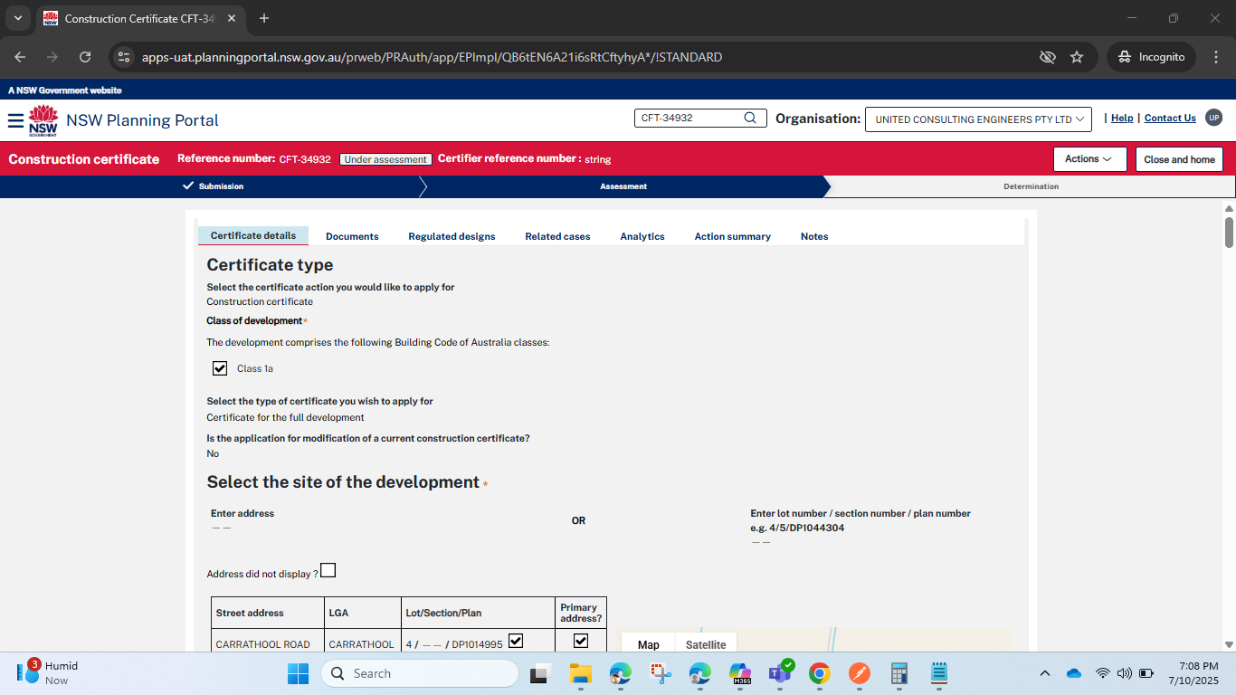
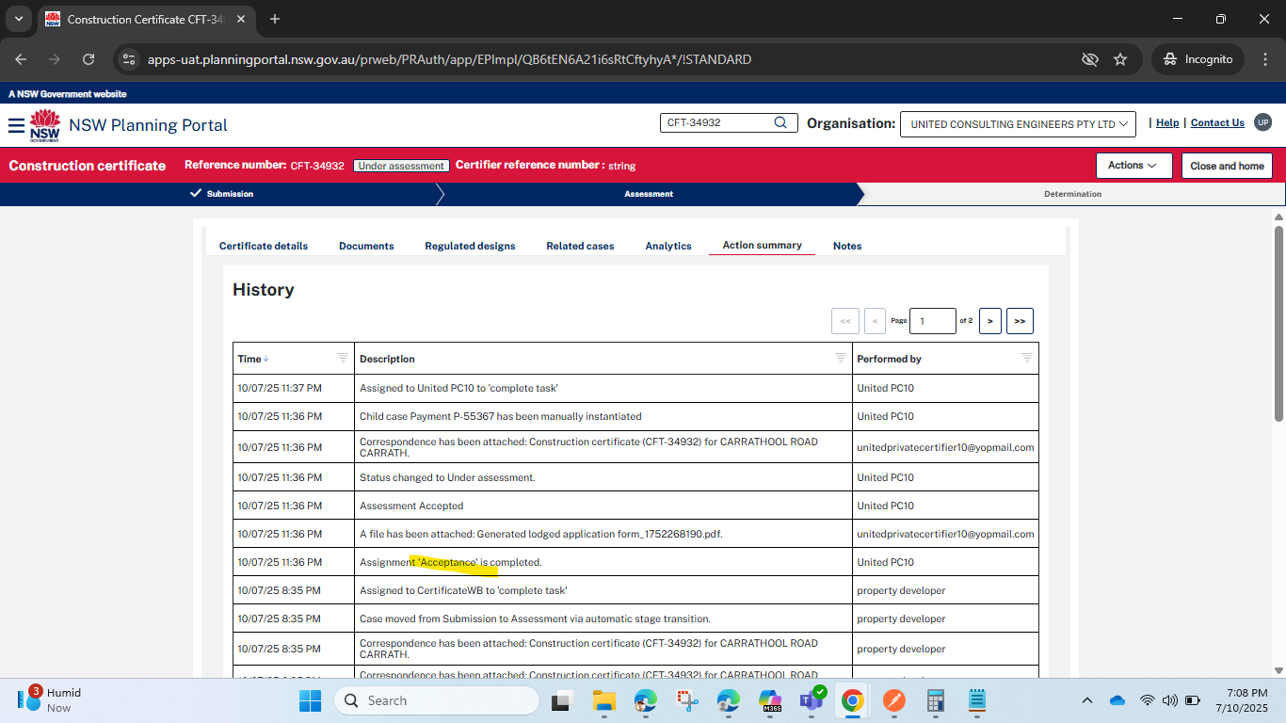
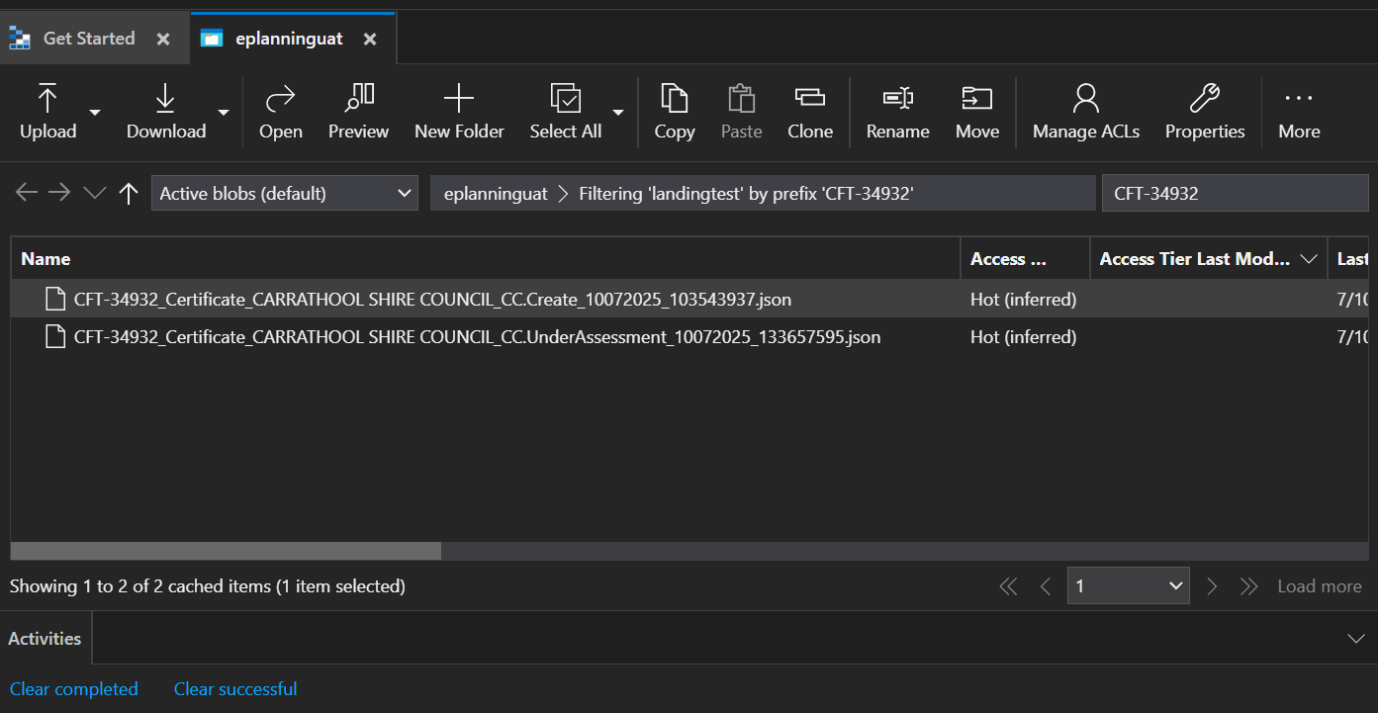
CFT-34932

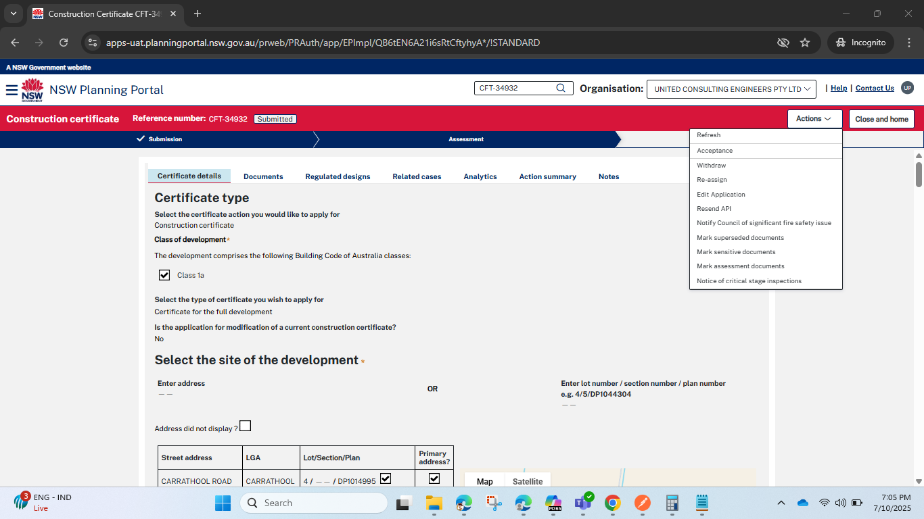

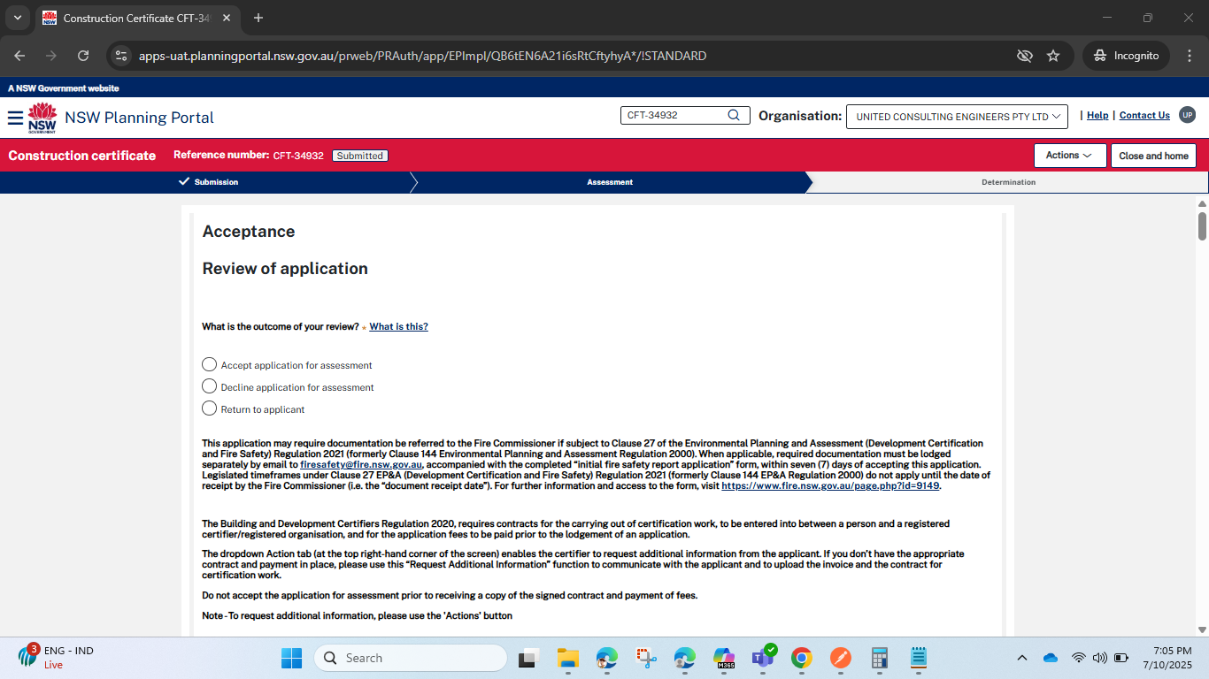

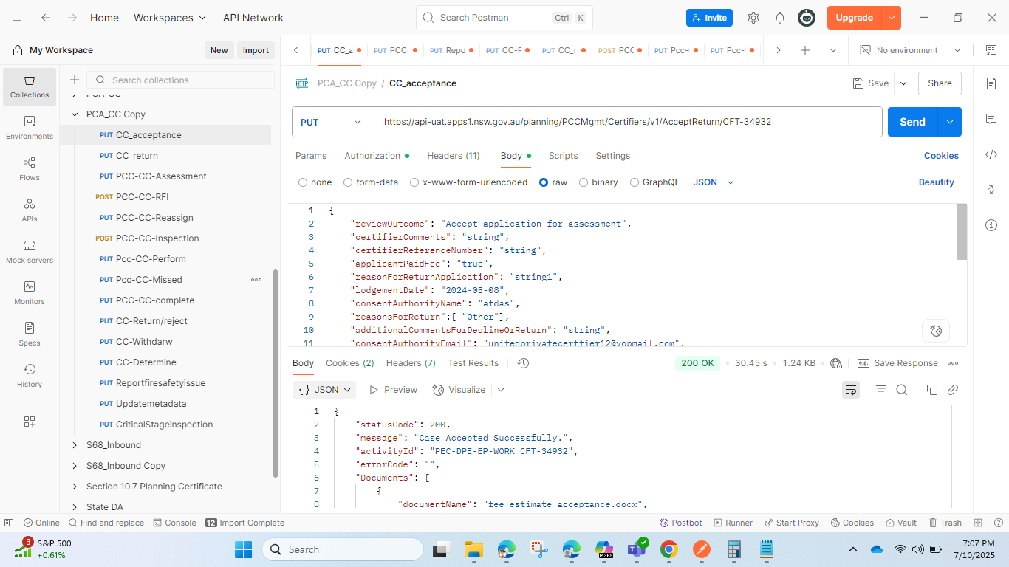

{
"statusCode": 200,
"message": "Case Accepted Successfully.",
"activityId": "PEC-DPE-EP-WORK CFT-34932",
"errorCode": "",
"Documents": [
{
"documentName": "fee estimate_acceptance.docx",
"documentType": "Fee estimate",
"externalOrgDocURL": "https://api-tst.apps1.nsw.gov.au/planning/external/v1/Documents/Doc|2",
"eplanningDocId": "DATA-WORKATTACH-FILE PEC-DPE-EP-WORK CFT-34932!20250710T133642.627 GMT"
},
{
"documentName": "Other.docx",
"documentType": "Other",
"externalOrgDocURL": "https://api-tst.apps1.nsw.gov.au/planning/external/v1/Documents/Doc|2",
"eplanningDocId": "DATA-WORKATTACH-FILE PEC-DPE-EP-WORK CFT-34932!20250710T133644.460 GMT"
}
]
}

CC_Put- AcceptReturn (Return)
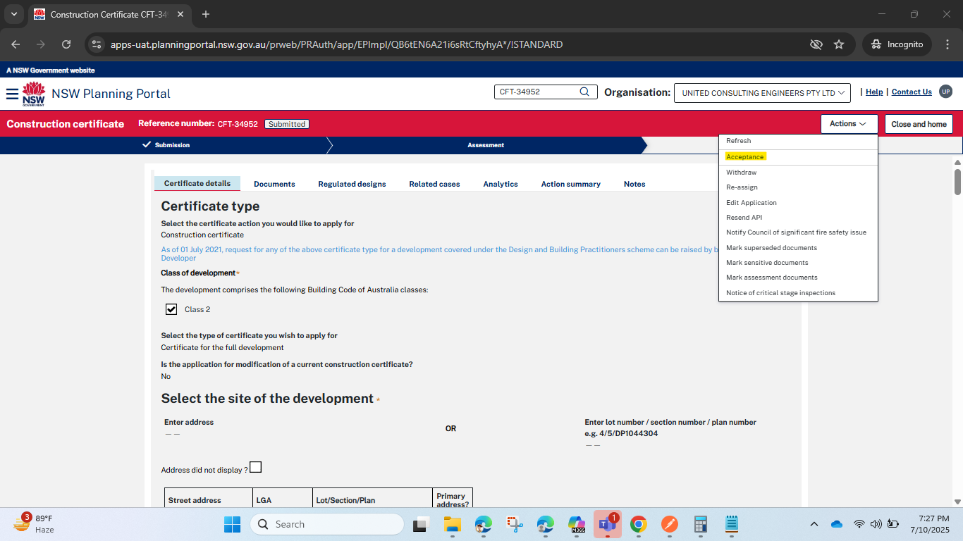

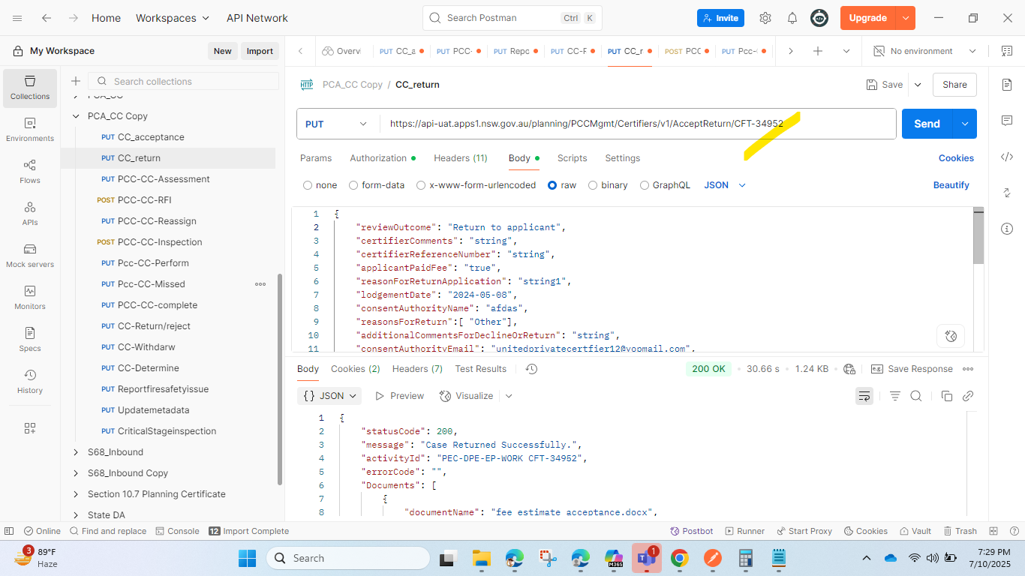

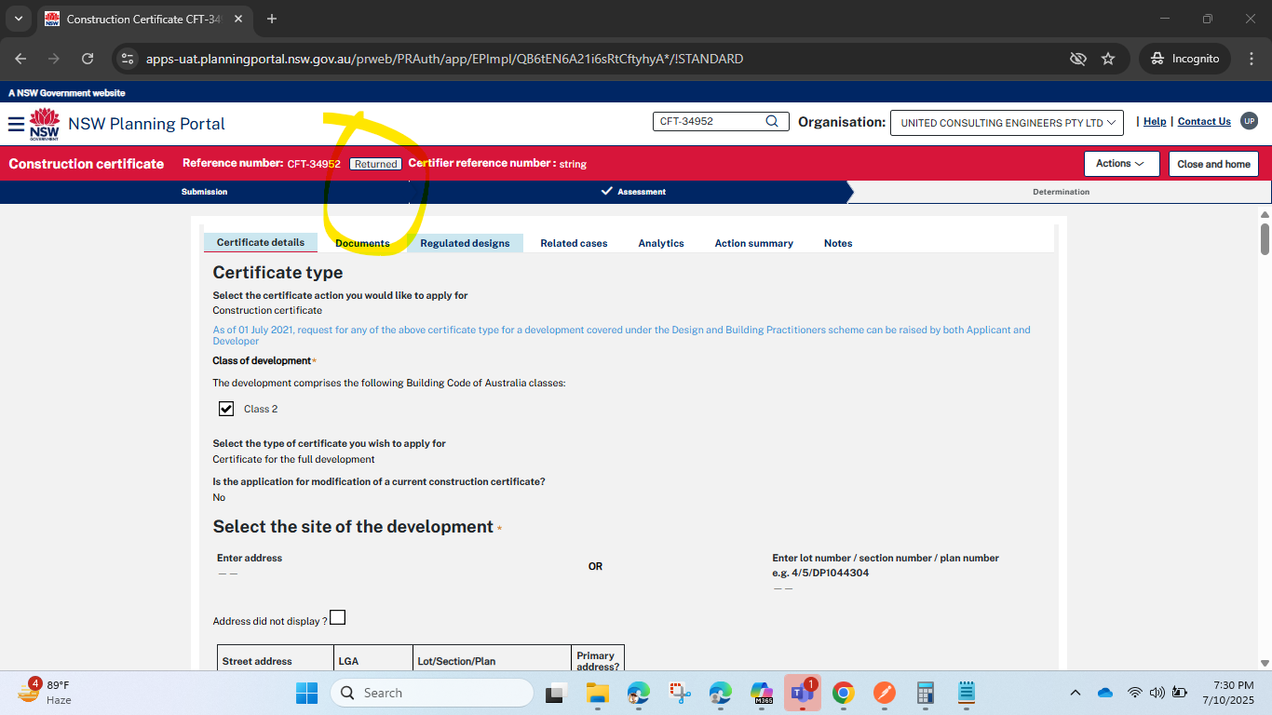

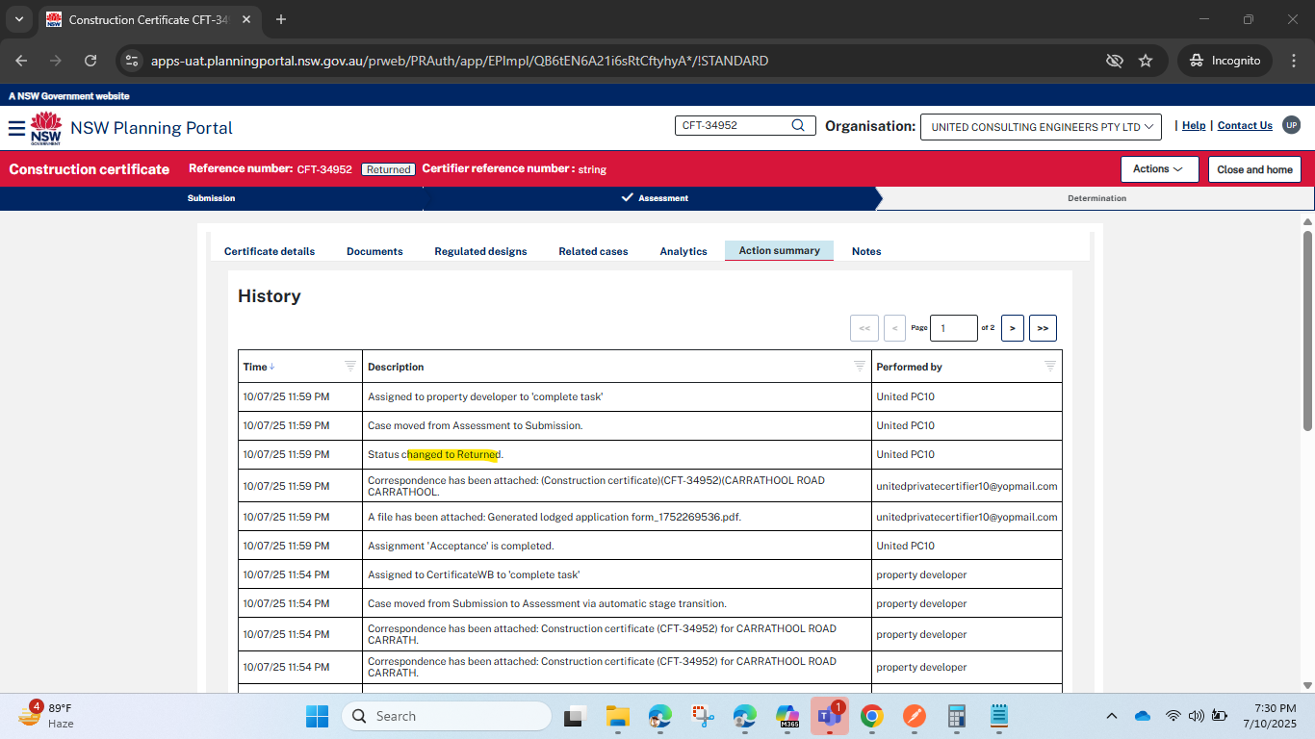

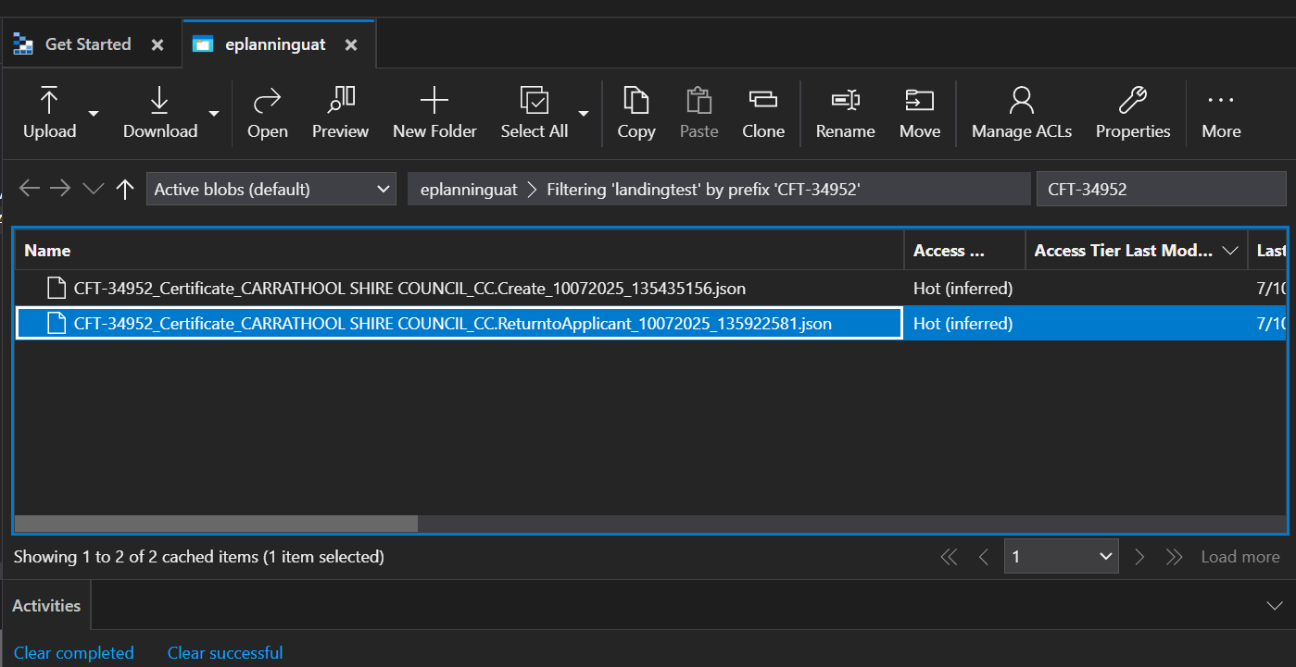

CC_Put- AcceptReturn (Decline)
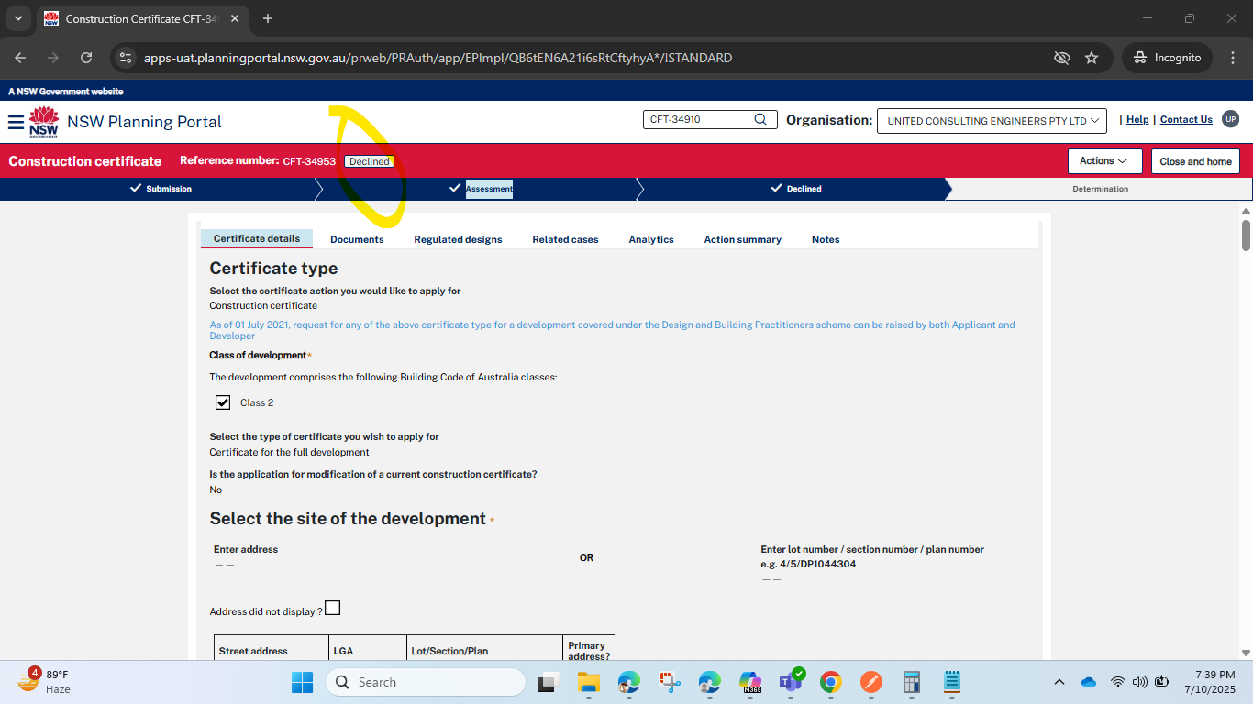
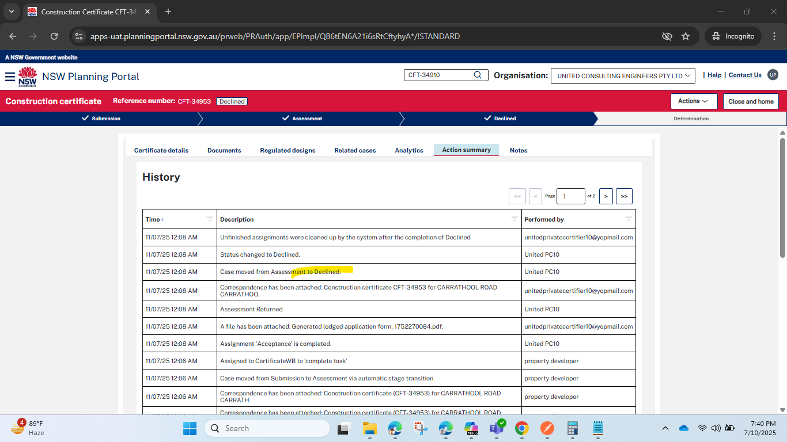
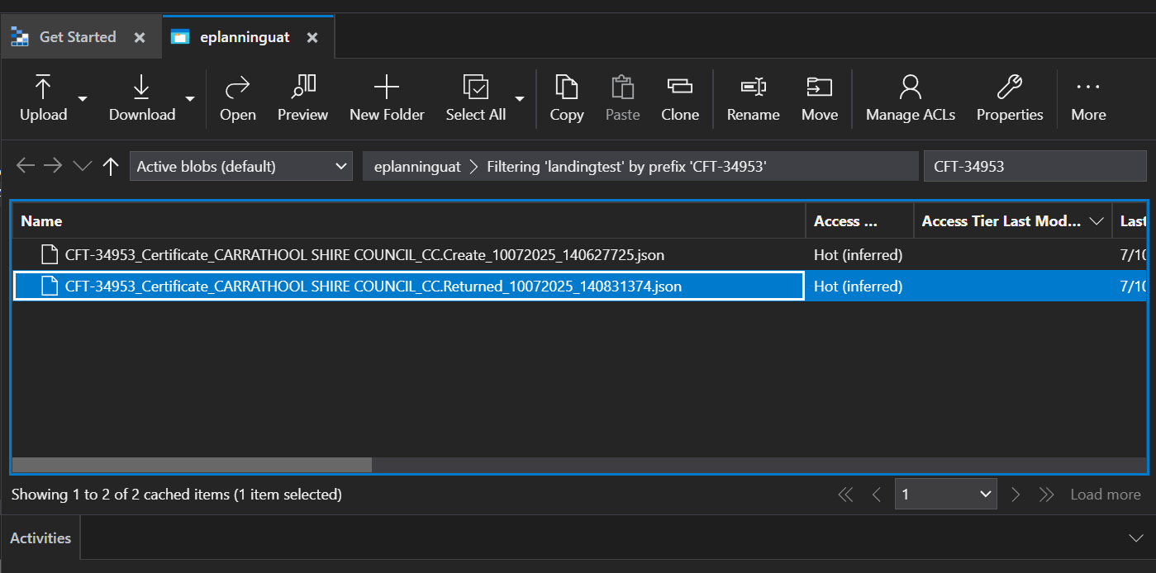
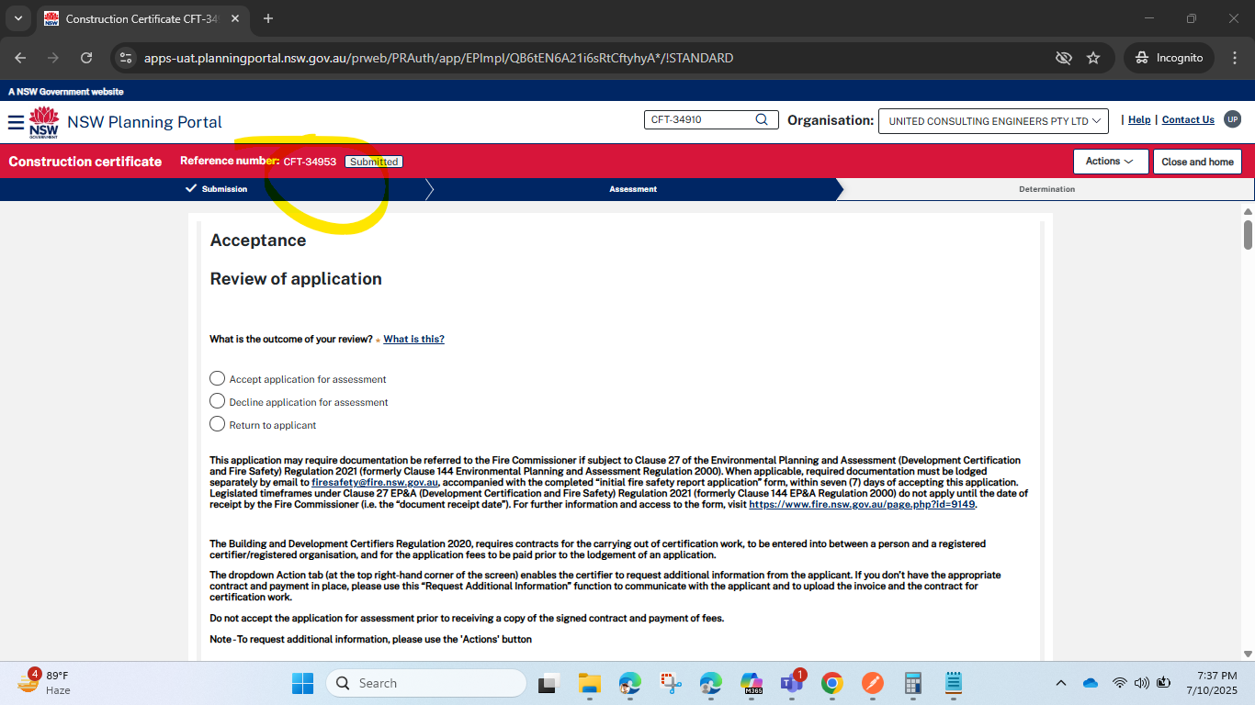

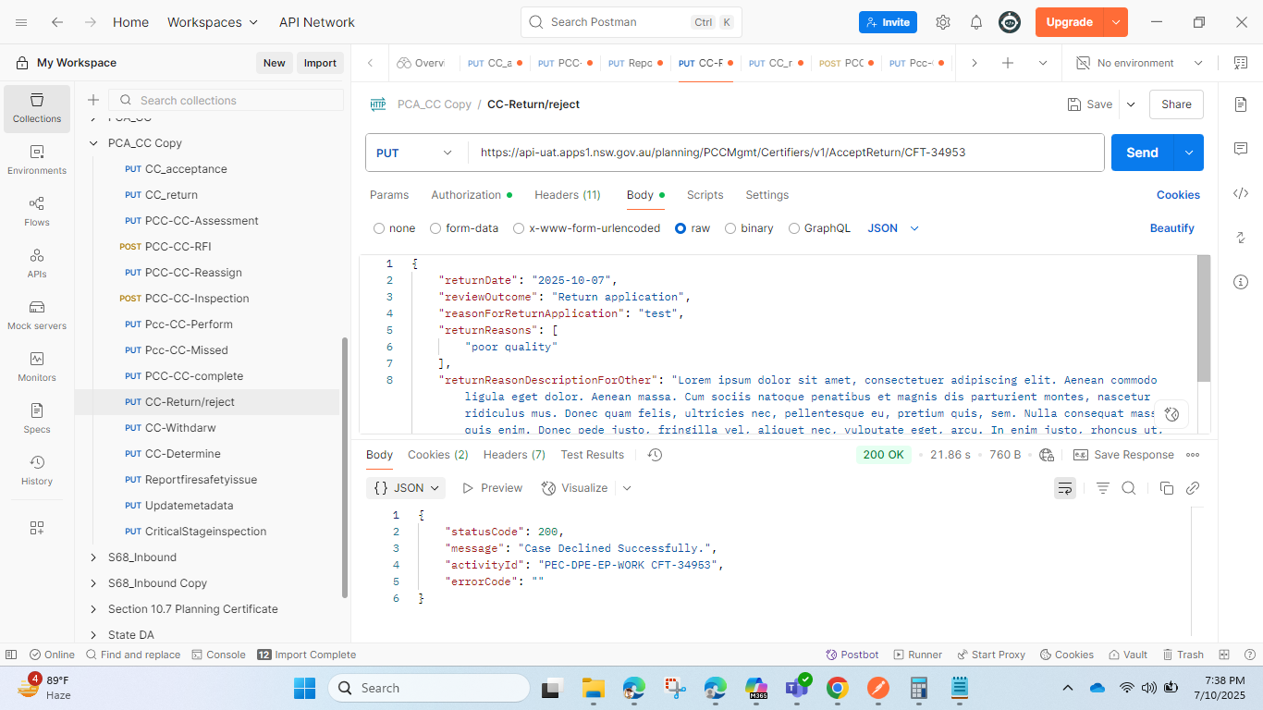

{
"statusCode": 200,
"message": "Case Declined Successfully.",
"activityId": "PEC-DPE-EP-WORK CFT-34953",
"errorCode": ""
}

CC_Put-Assessment
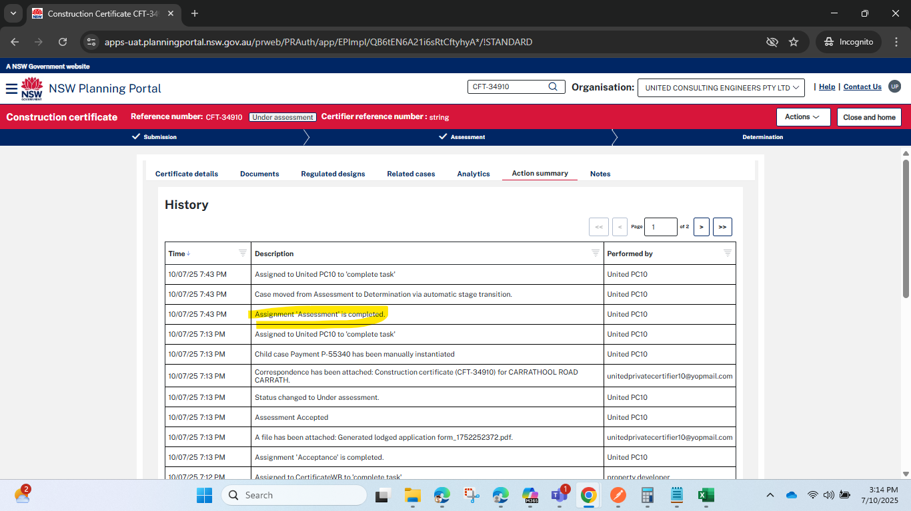
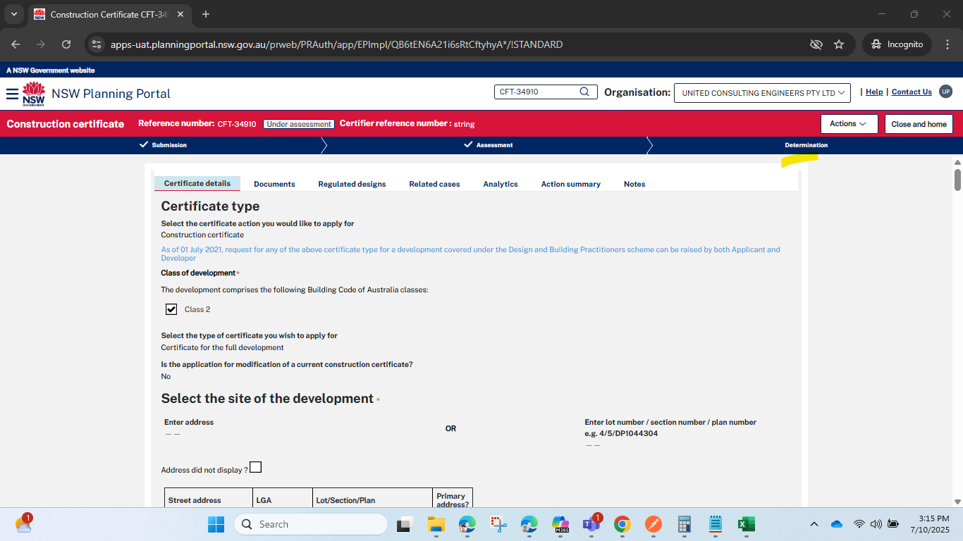
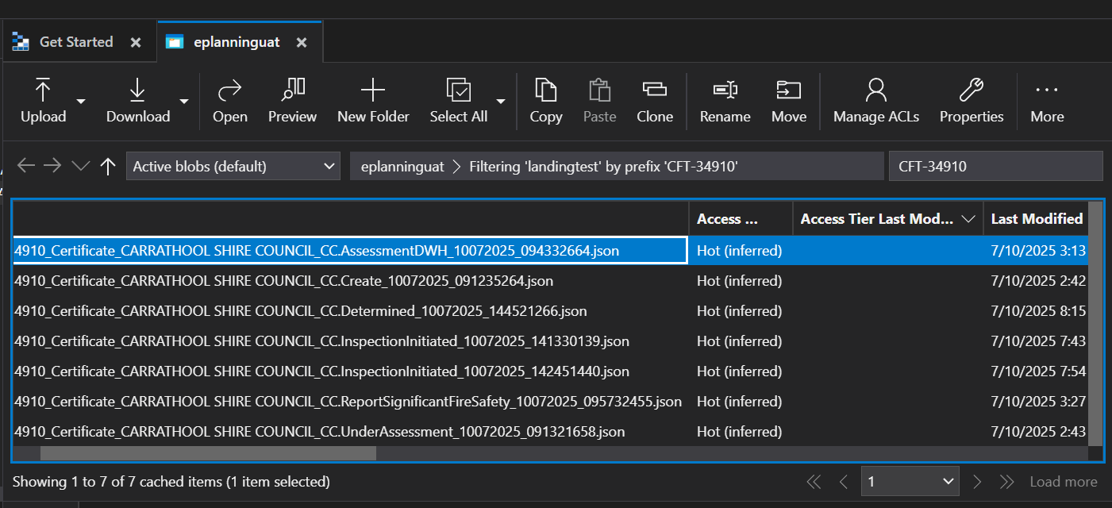
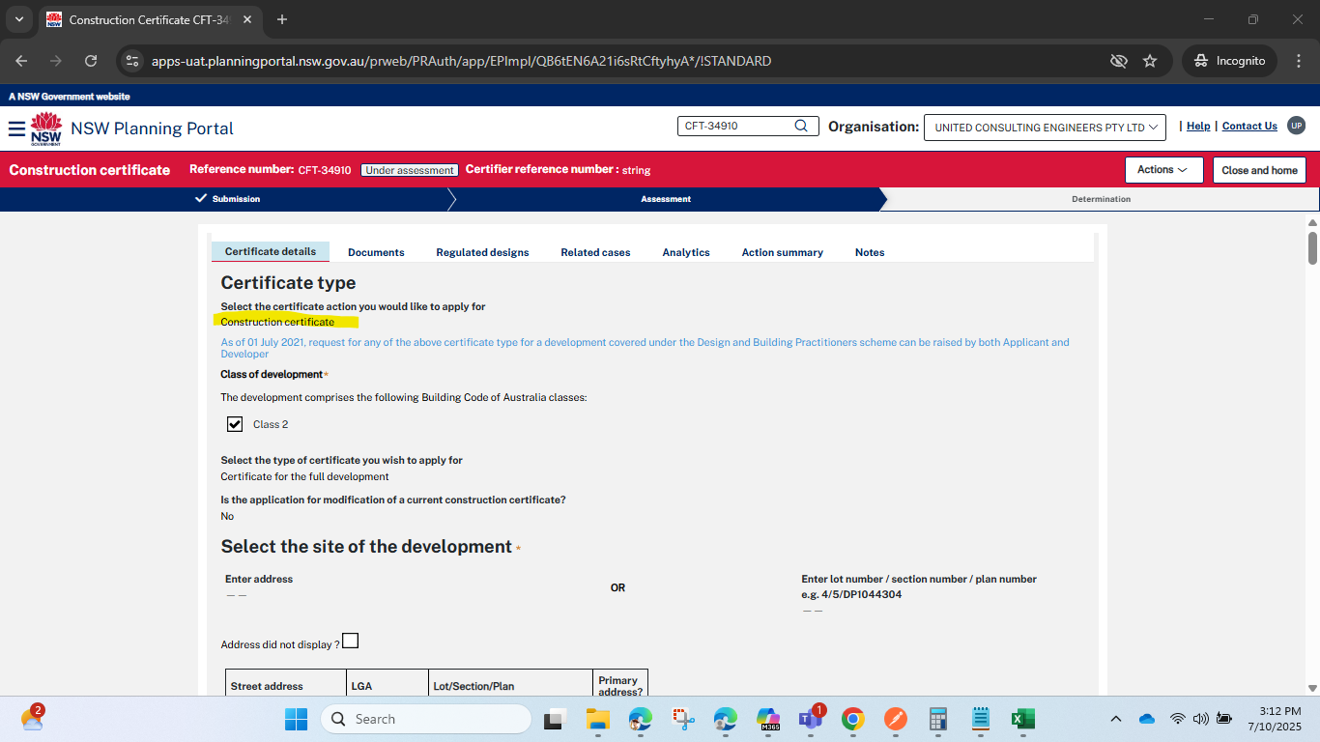

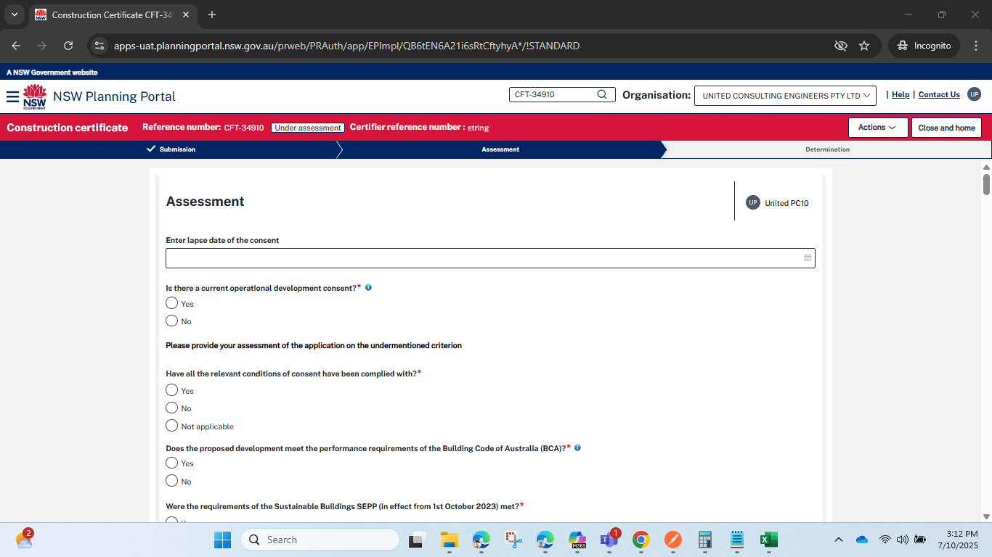

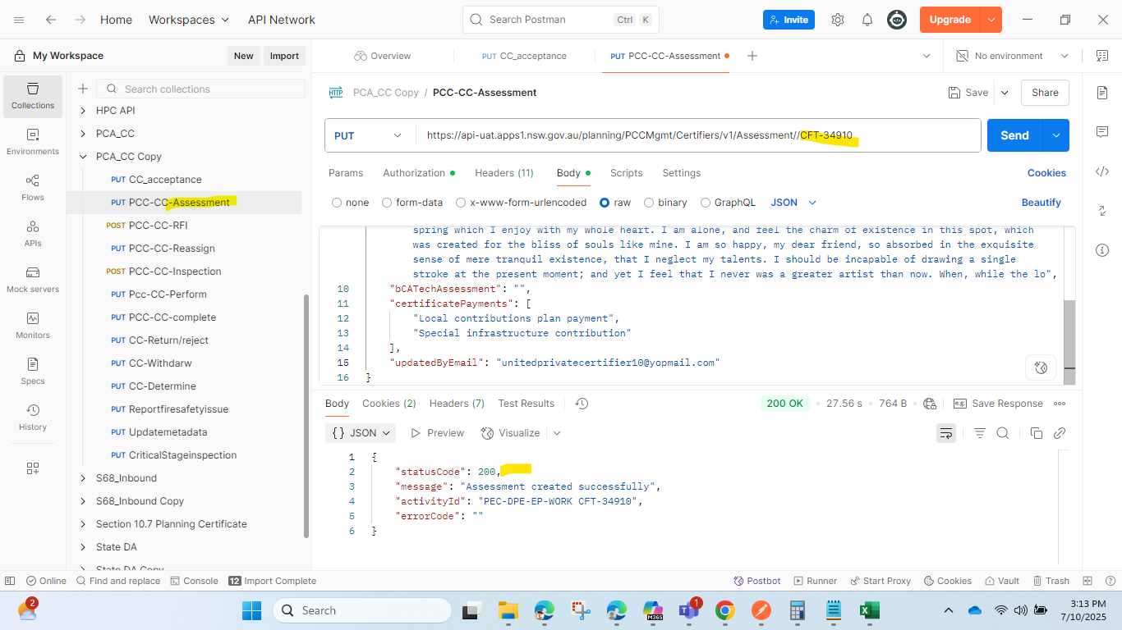

{
"statusCode": 200,
"message": "Assessment created successfully",
"activityId": "PEC-DPE-EP-WORK CFT-34910",
"errorCode": ""
}

CC_Put-ReportFireSafetyIssue
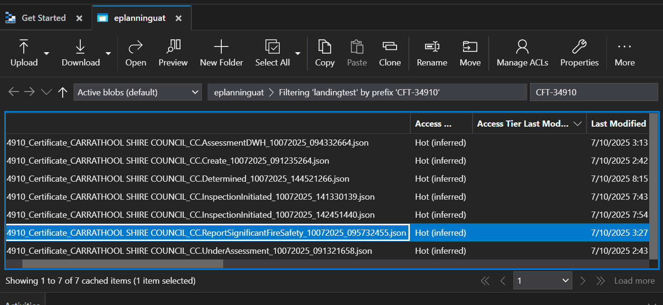
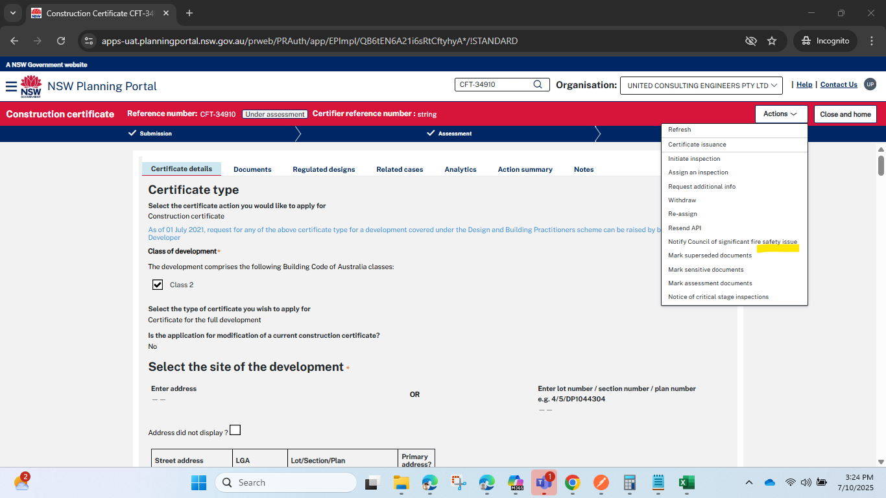

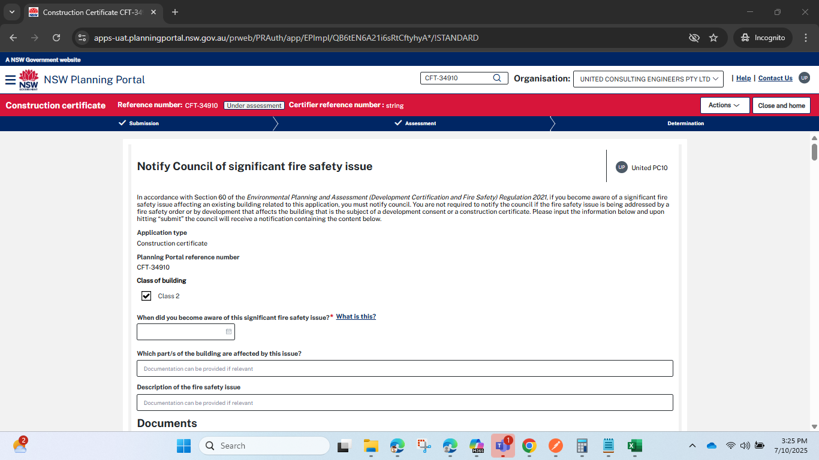

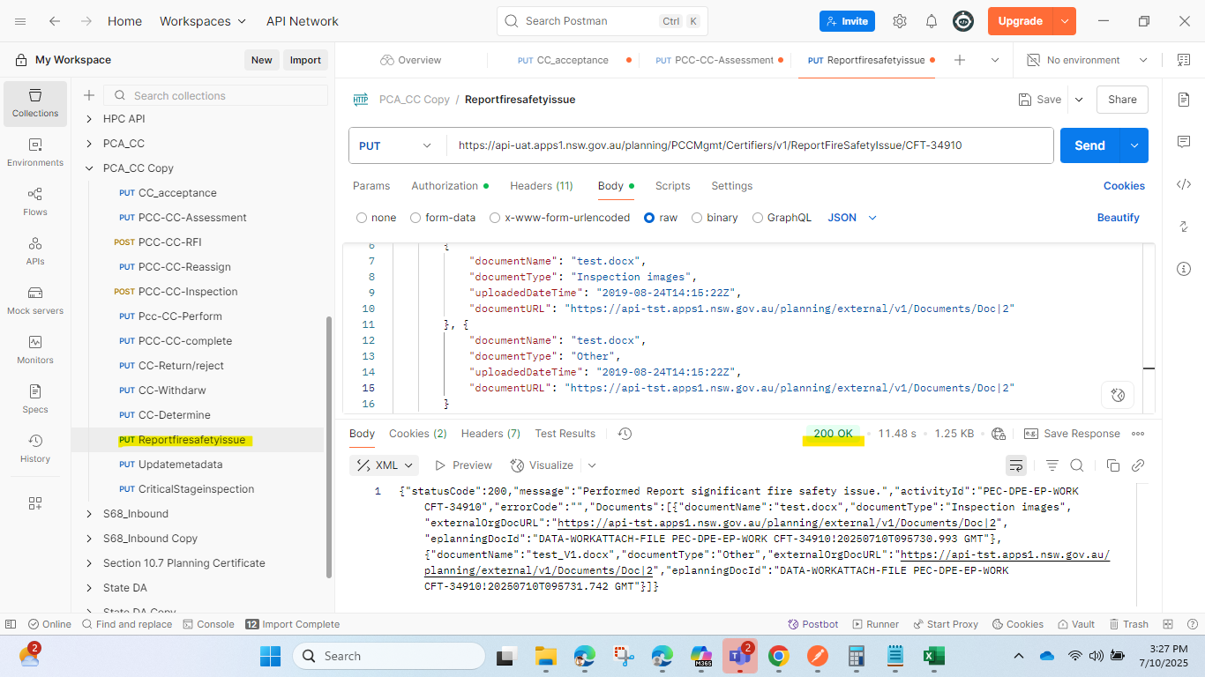

 | {"statusCode":200,"message":"Performed Report significant fire safety issue.","activityId":"PEC-DPE-EP-WORK CFT-34910","errorCode":"","Documents":[{"documentName":"test.docx","documentType":"Inspection images","externalOrgDocURL":"https://api-tst.apps1.nsw.gov.au/planning/external/v1/Documents/Doc|2","eplanningDocId":"DATA-WORKATTACH-FILE PEC-DPE-EP-WORK CFT-34910!20250710T095730.993 GMT"},{"documentName":"test_V1.docx","documentType":"Other","externalOrgDocURL":"https://api-tst.apps1.nsw.gov.au/planning/external/v1/Documents/Doc|2","eplanningDocId":"DATA-WORKATTACH-FILE PEC-DPE-EP-WORK CFT-34910!20250710T095731.742 GMT"}]}
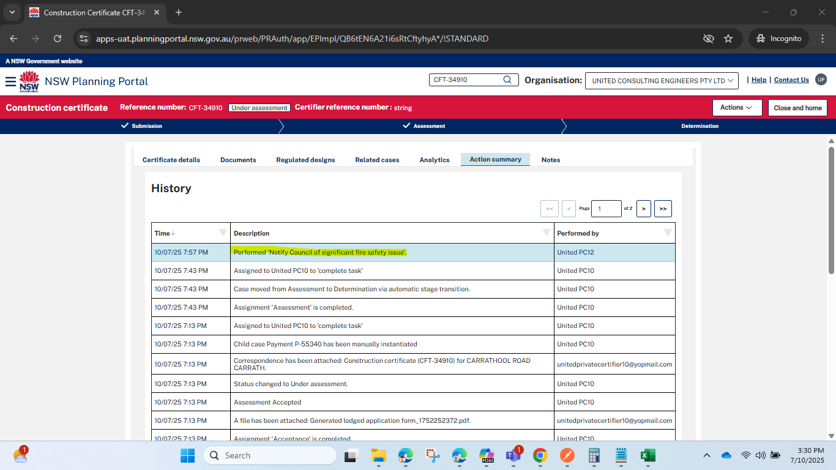

Put-ReportFireSafetyIssue

CC_Post- InitiateInspection
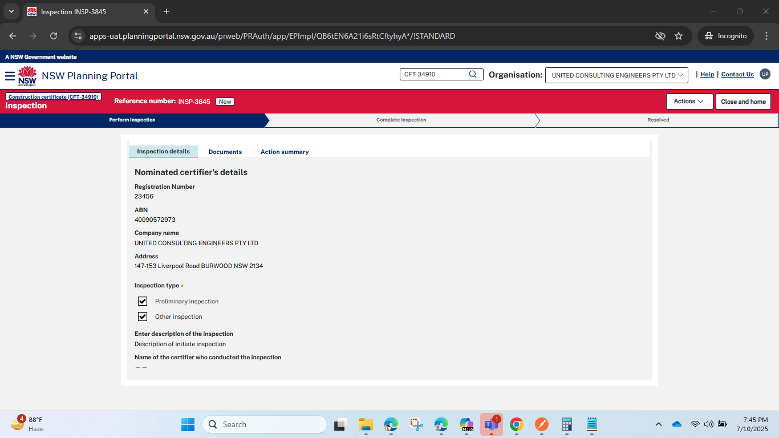
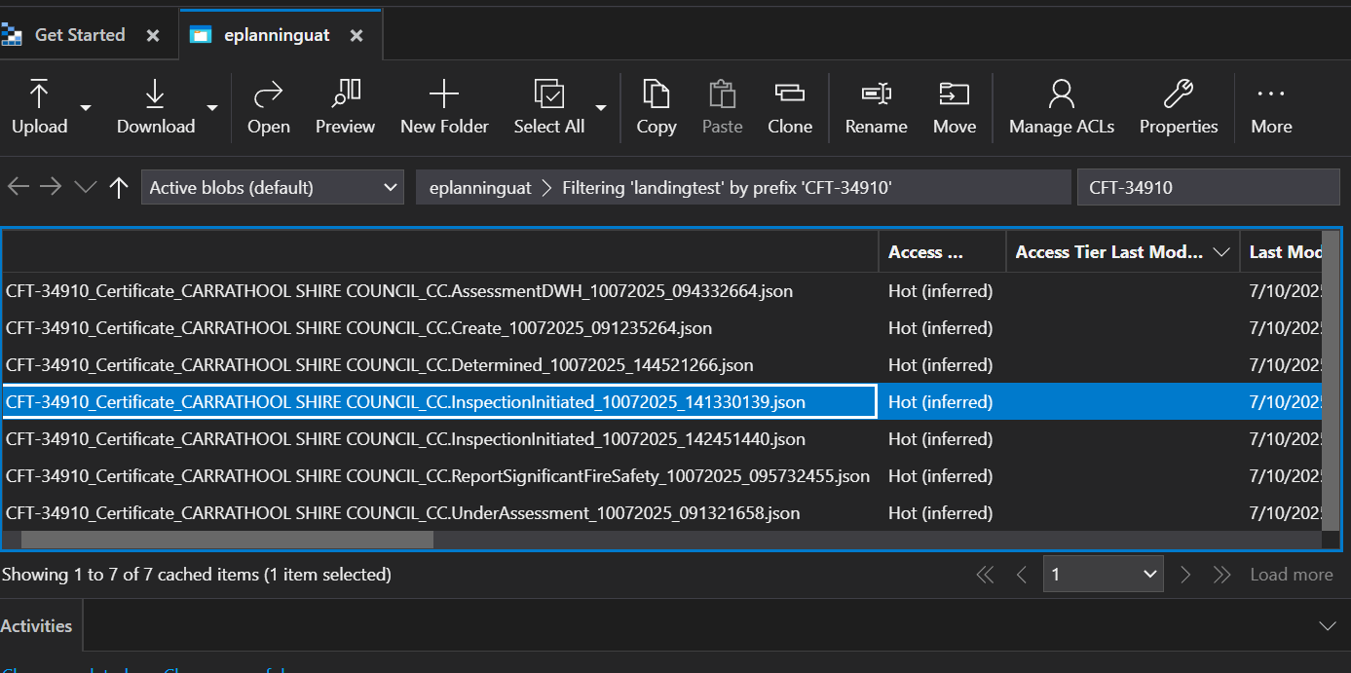
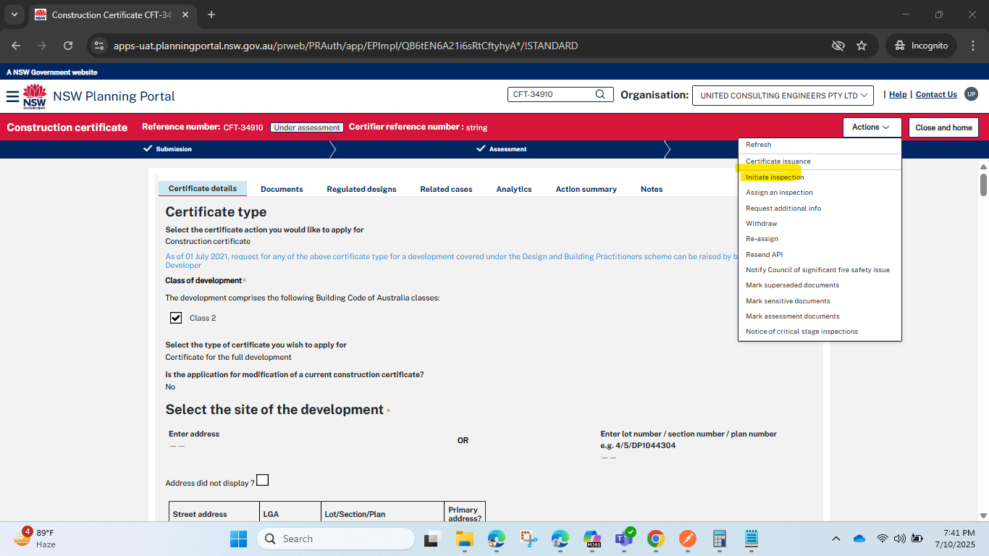

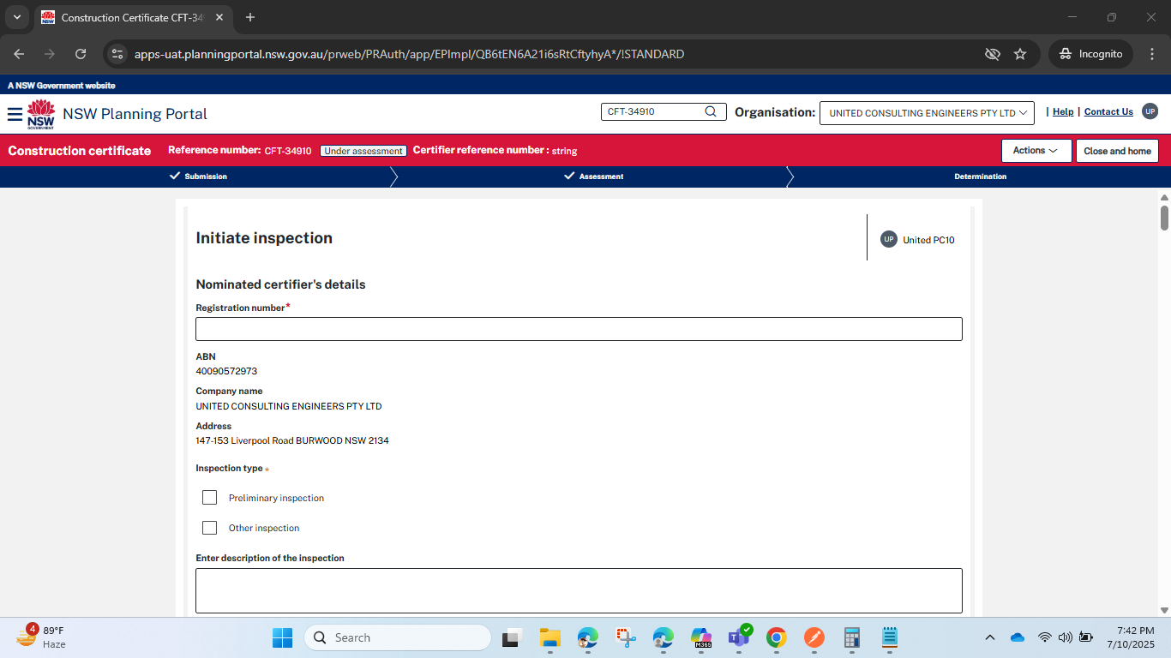

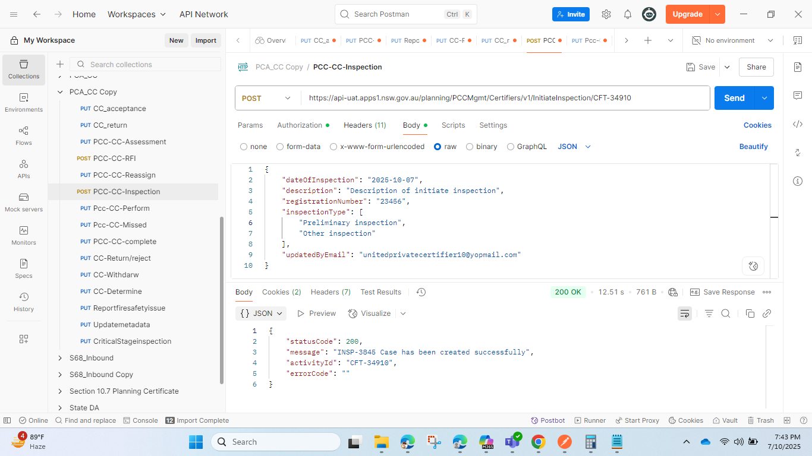

{
"statusCode": 200,
"message": "INSP-3845 Case has been created successfully",
"activityId": "CFT-34910",
"errorCode": ""
}

CC_Put-PerformInspection
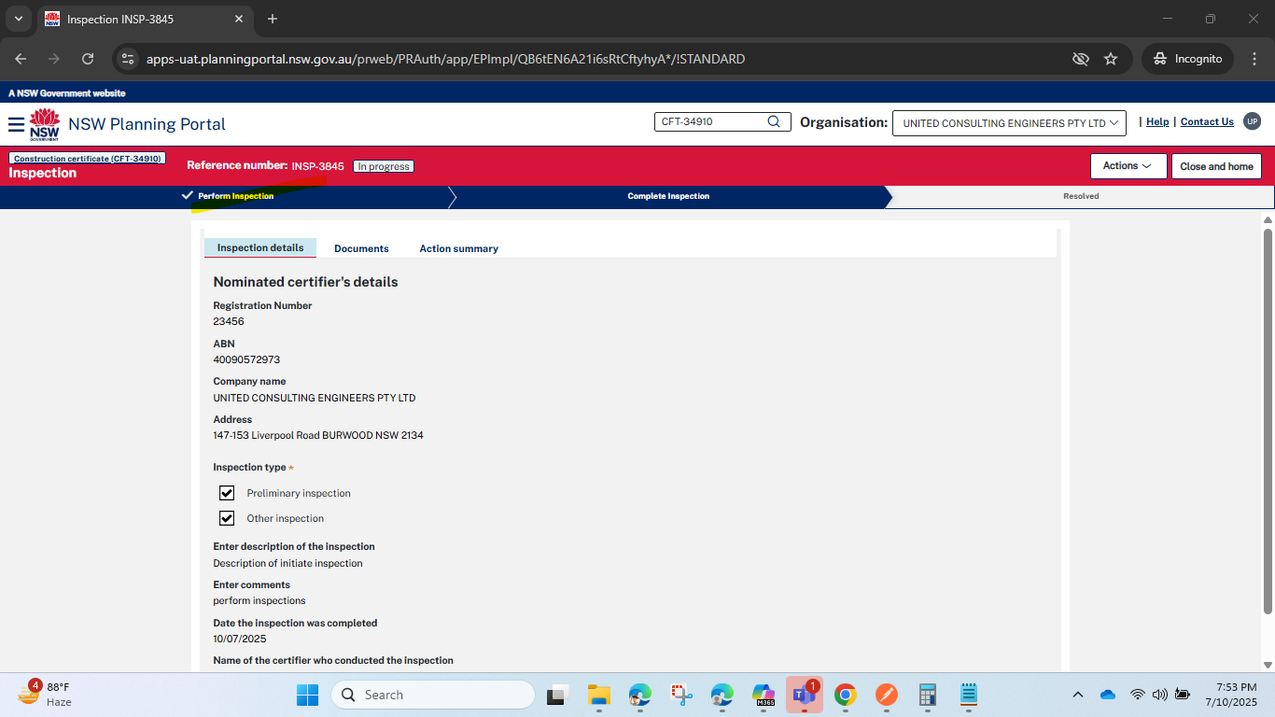
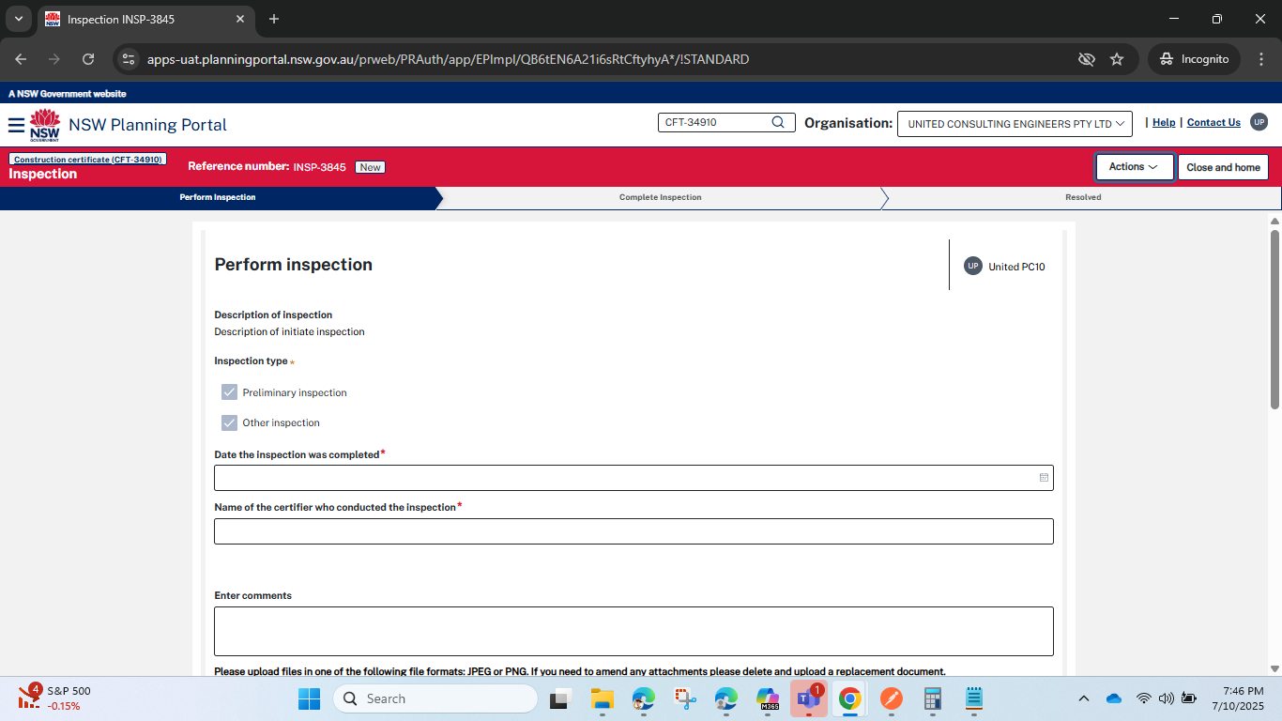

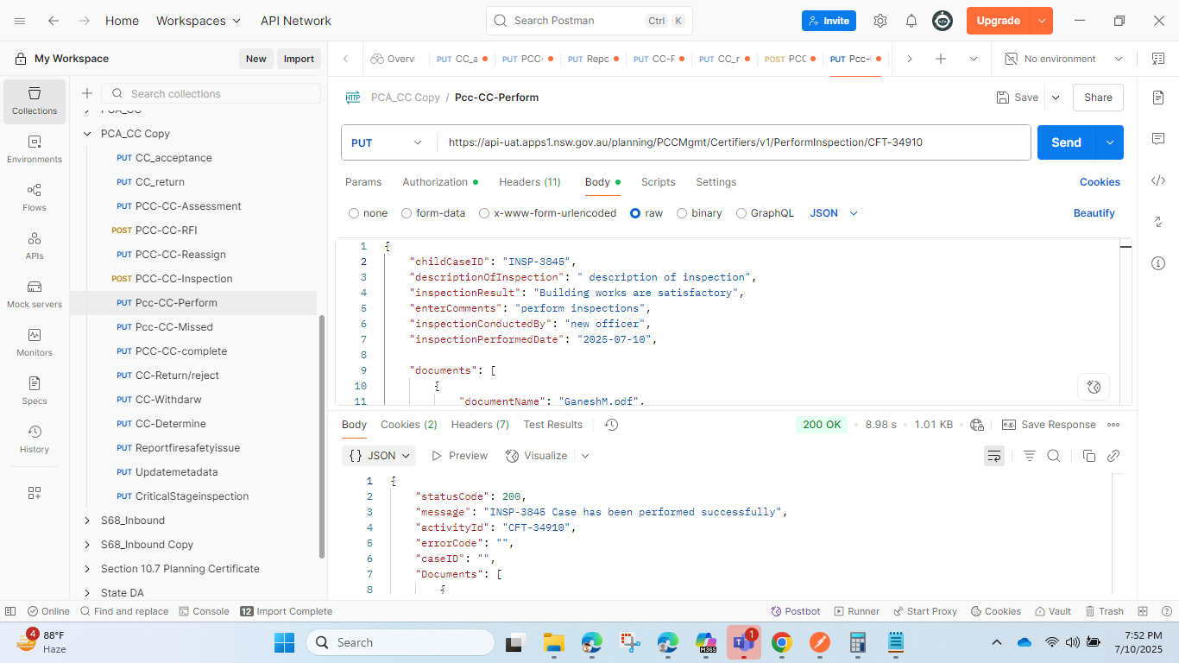

{
"statusCode": 200,
"message": "INSP-3845 Case has been performed successfully",
"activityId": "CFT-34910",
"errorCode": "",
"caseID": "",
"Documents": [
{
"documentName": "GaneshM.pdf",
"documentType": "Inspection Images",
"externalOrgDocURL": "https://api-tst.apps1.nsw.gov.au/planning/external/v1/Documents/Doc|2",
"eplanningDocId": "DATA-WORKATTACH-FILE PEC-DPE-EP-WORK INSP-3845!20250710T141741.142 GMT"
}
]
}

CC_Put-MissedInspection
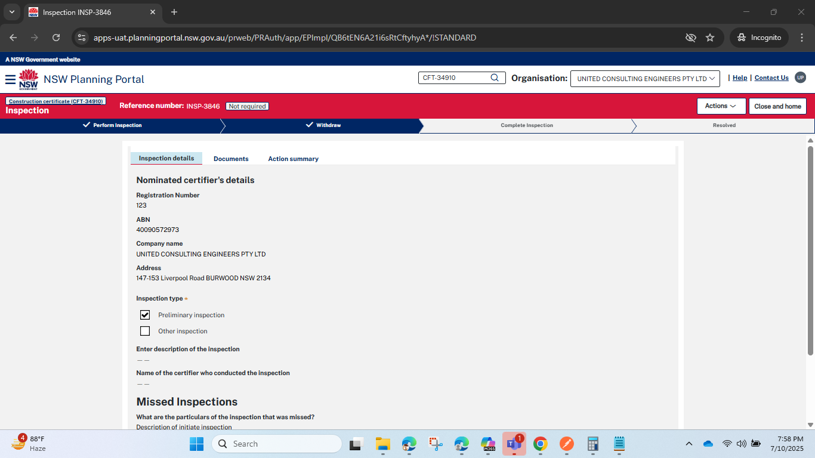
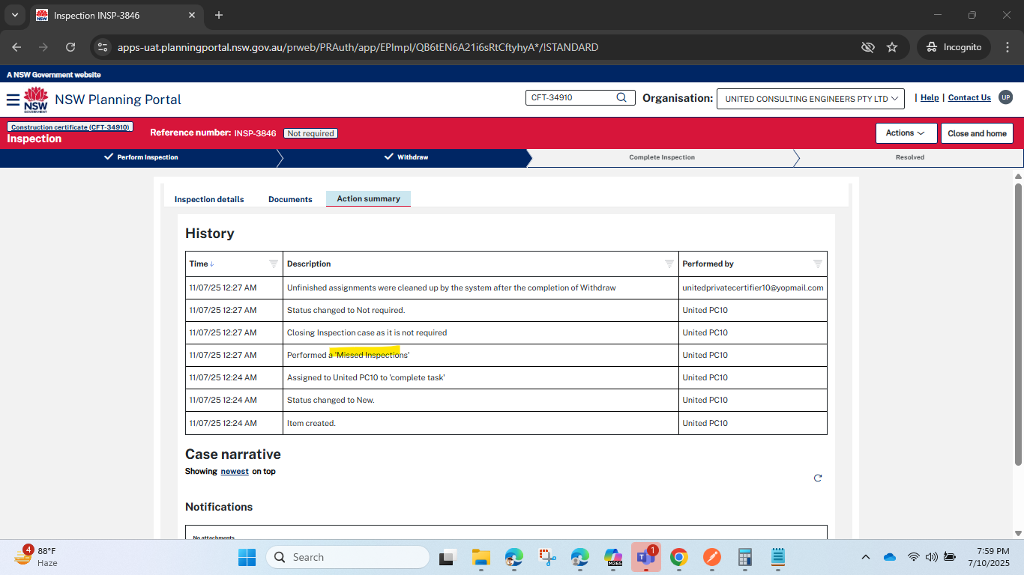
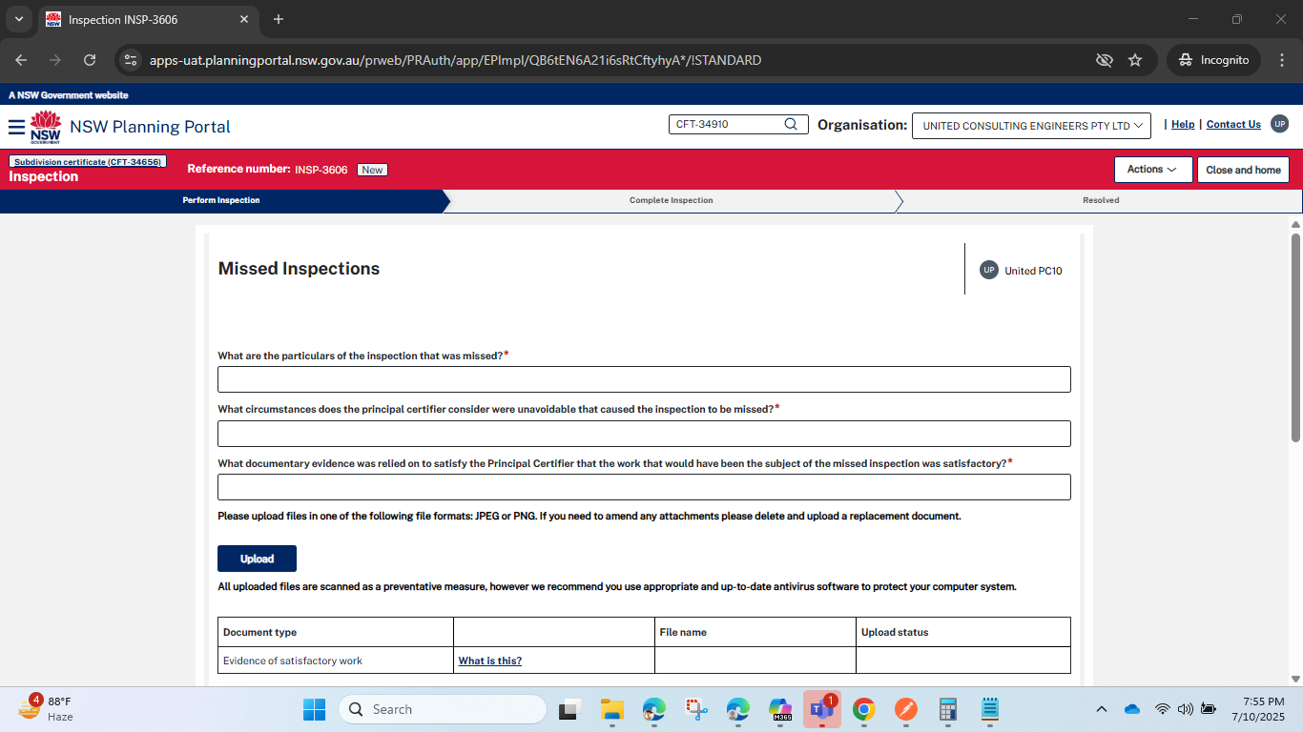

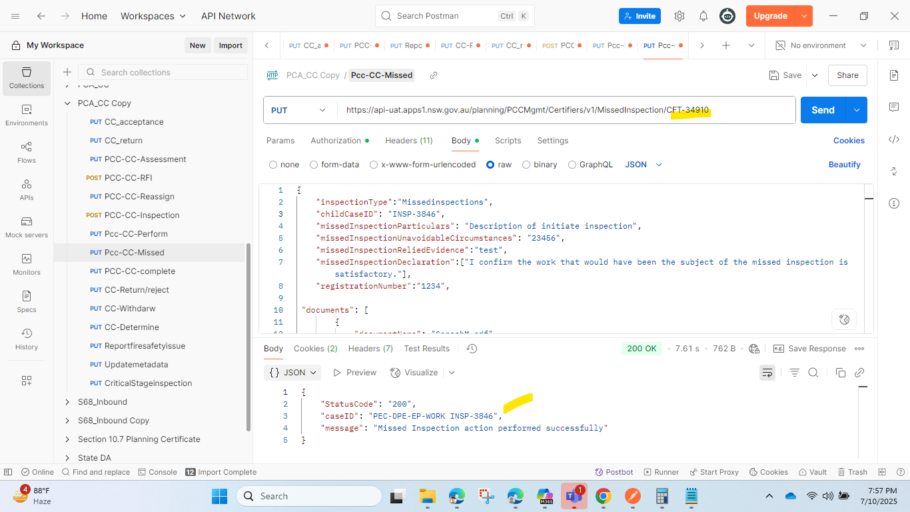

{
"StatusCode": "200",
"caseID": "PEC-DPE-EP-WORK INSP-3846",
"message": "Missed Inspection action performed successfully"
}

CC_Put-CompleteInspection
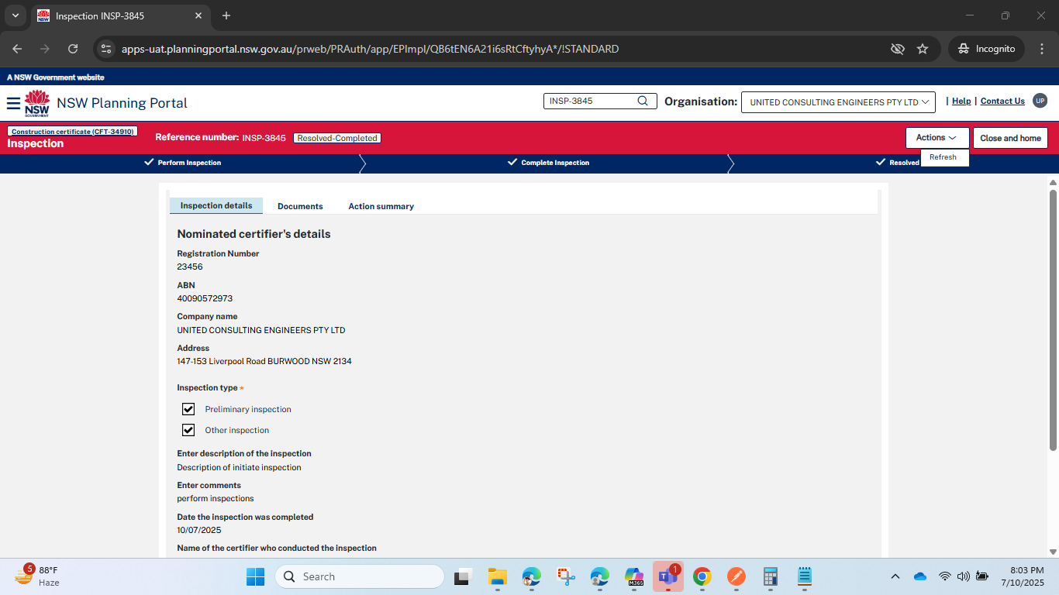
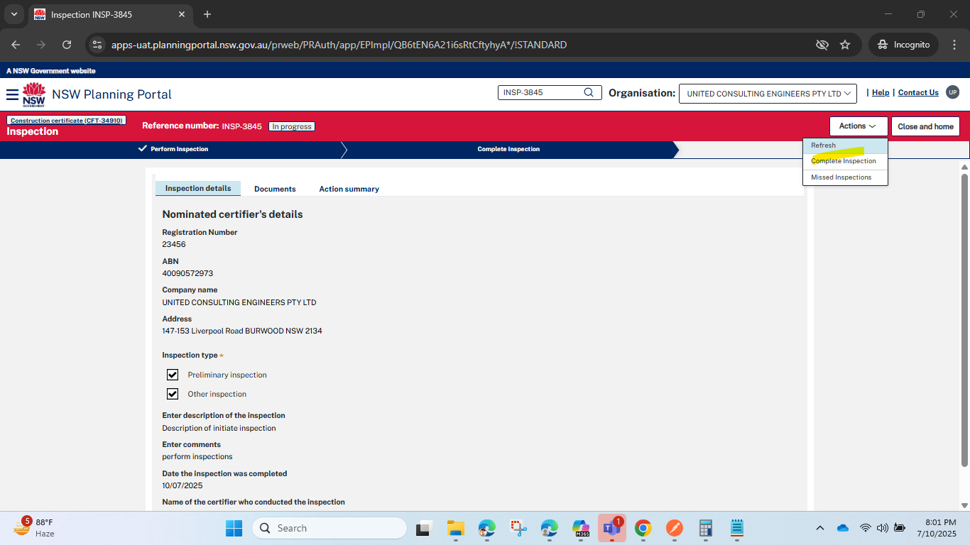

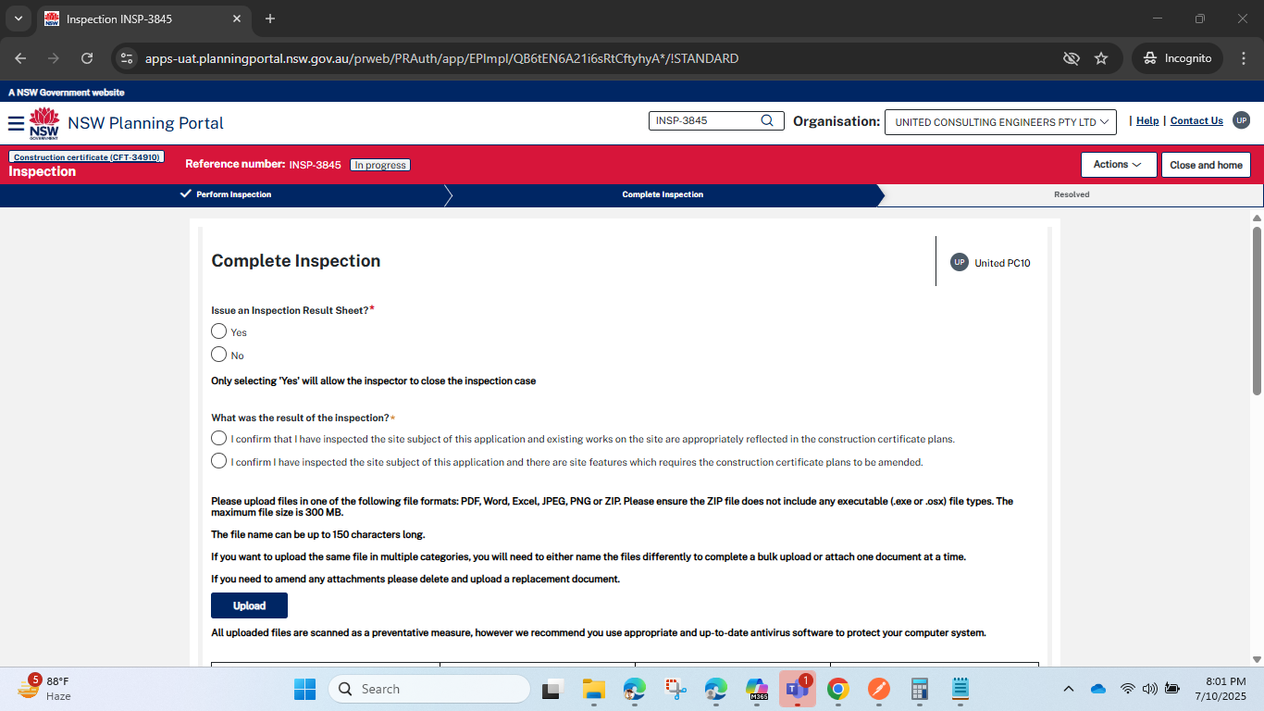

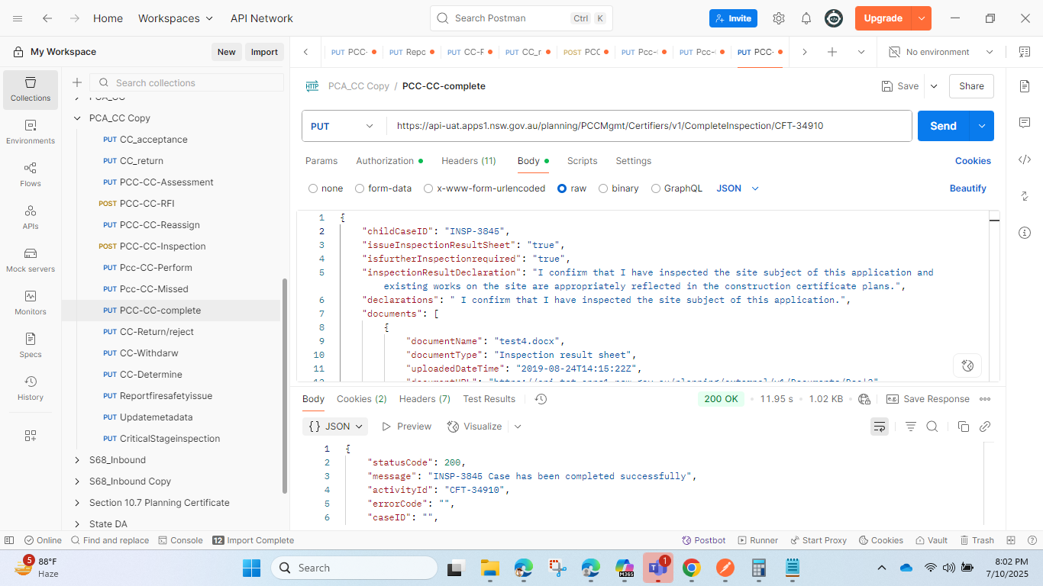

{
"statusCode": 200,
"message": "INSP-3845 Case has been completed successfully",
"activityId": "CFT-34910",
"errorCode": "",
"caseID": "",
"Documents": [
{
"documentName": "test4.docx",
"documentType": "Inspection result sheet",
"externalOrgDocURL": "https://api-tst.apps1.nsw.gov.au/planning/external/v1/Documents/Doc|2",
"eplanningDocId": "DATA-WORKATTACH-FILE PEC-DPE-EP-WORK INSP-3845!20250710T143228.404 GMT"
}
]
}

CC_Put-Determine
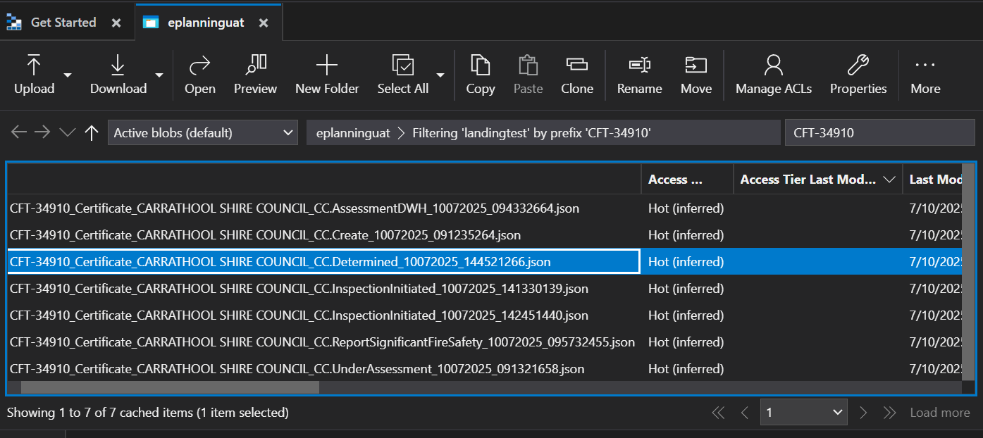
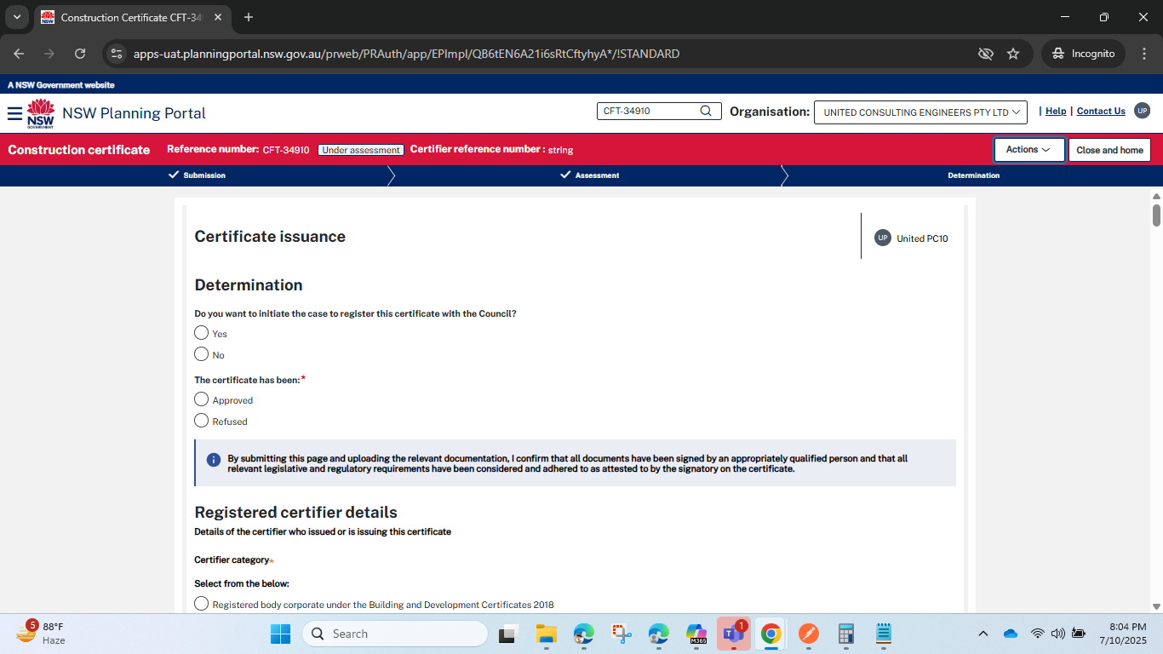

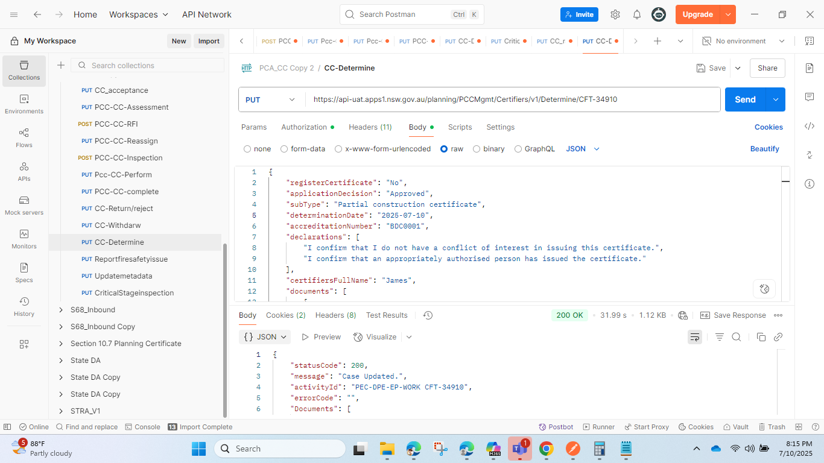

{
"statusCode": 200,
"message": "Case Updated.",
"activityId": "PEC-DPE-EP-WORK CFT-34910",
"errorCode": "",
"Documents": [
{
"documentName": "Construction Certificate & PCA Agreement - Single Dwelling Only ~ B R Development Consulting Pty Ltd 1523,8787987989987675.pdf",
"documentType": "Construction certificate",
"externalOrgDocURL": "https://api-tst.apps1.nsw.gov.au/planning/external/v1/Documents/Doc|2",
"eplanningDocId": "DATA-WORKATTACH-FILE PEC-DPE-EP-WORK CFT-34910!20250710T144507.406 GMT"
},
{
"documentName": "Construction Certificate & PCA Agreemt - Dwelling, Additions and Pool - 29 Beechwood Road Beechwood 1523.pdf",
"documentType": "construction certificate stamped approved plans",
"externalOrgDocURL": "https://api-tst.apps1.nsw.gov.au/planning/external/v1/Documents/Doc|2",
"eplanningDocId": "DATA-WORKATTACH-FILE PEC-DPE-EP-WORK CFT-34910!20250710T144508.200 GMT"
},
{
"documentName": "D23-98-CC__Construction_certificate_stamped_approved_plans-183130.pdf",
"documentType": "Specifications",
"externalOrgDocURL": "https://api-tst.apps1.nsw.gov.au/planning/external/v1/Documents/Doc|2",
"eplanningDocId": "DATA-WORKATTACH-FILE PEC-DPE-EP-WORK CFT-34910!20250710T144509.390 GMT"
}
]
}

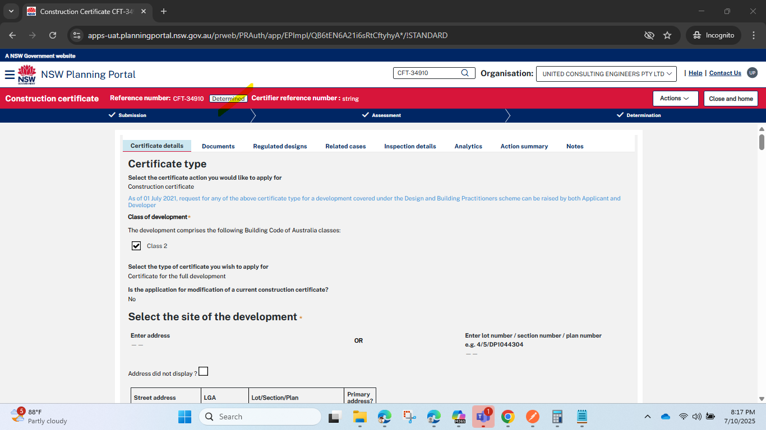

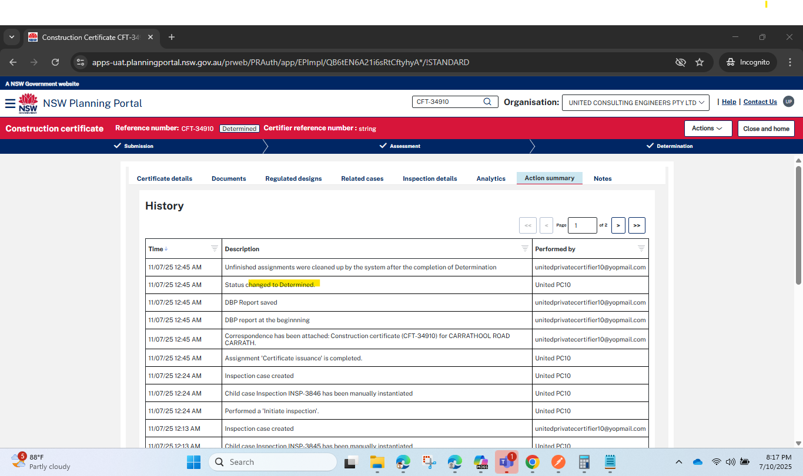

Put-Determine

CC_Put-NotifyCriticalStageInspe
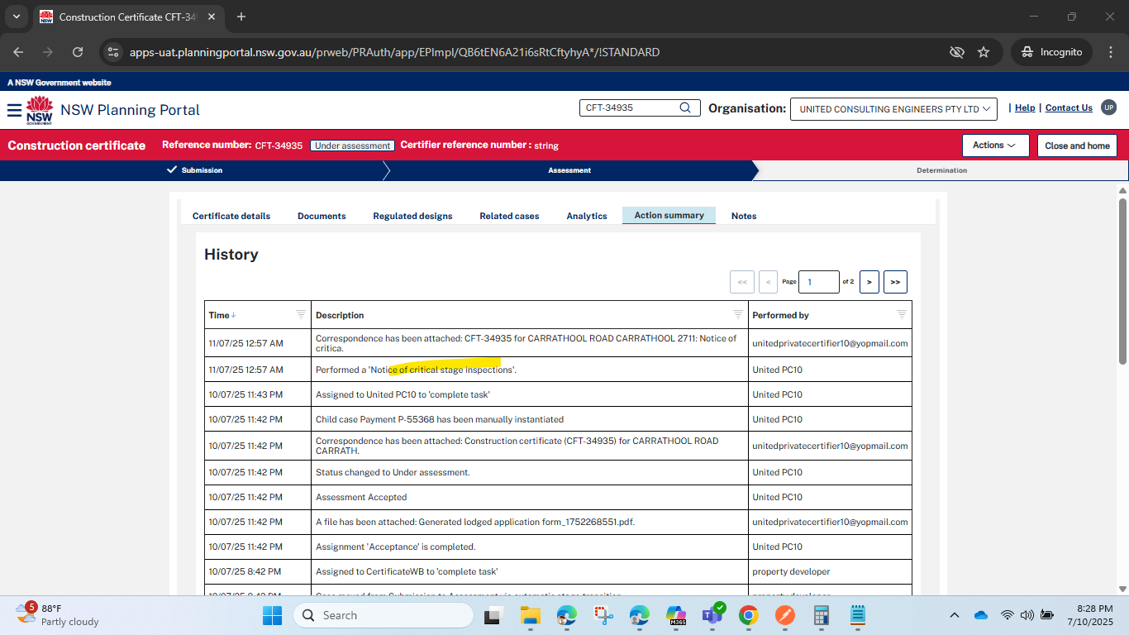
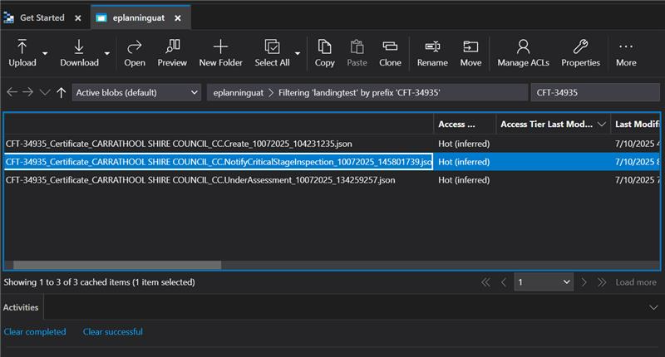






{
"statusCode": 200,
"message": "NotifyCriticalStageInspection is successfull",
"activityId": "PEC-DPE-EP-WORK CFT-34935",
"errorCode": "",
"Documents": [
{
"documentName": "test.docx",
"documentType": "Notice of critical stage inspections",
"externalOrgDocURL": "https://api-tst.apps1.nsw.gov.au/planning/external/v1/Documents/Doc|2",
"eplanningDocId": "DATA-WORKATTACH-FILE PEC-DPE-EP-WORK CFT-34935!20250710T145756.994 GMT"
},
{
"documentName": "test_V1.docx",
"documentType": "Other",
"externalOrgDocURL": "https://api-tst.apps1.nsw.gov.au/planning/external/v1/Documents/Doc|2",
"eplanningDocId": "DATA-WORKATTACH-FILE PEC-DPE-EP-WORK CFT-34935!20250710T145757.728 GMT"
}
]
}

OC_Put- AcceptReturn(Accept)







{
"statusCode": 200,
"message": "Case Accepted Successfully.You may require to issue BASIX Completion receipt based on the 'Type of Development’ selected on the application. To do so, please perform 'IssueBASIXCompletion Receipt' operation.",
"activityId": "PEC-DPE-EP-WORK CFT-34914",
"errorCode": "",
"Documents": [
{
"documentName": "fee estimate_acceptance.docx",
"documentType": "Fee estimate",
"externalOrgDocURL": "https://api-tst.apps1.nsw.gov.au/planning/external/v1/Documents/Doc|2",
"eplanningDocId": "DATA-WORKATTACH-FILE PEC-DPE-EP-WORK CFT-34914!20250710T100425.977 GMT"
},
{
"documentName": "Other.docx",
"documentType": "Other",
"externalOrgDocURL": "https://api-tst.apps1.nsw.gov.au/planning/external/v1/Documents/Doc|2",
"eplanningDocId": "DATA-WORKATTACH-FILE PEC-DPE-EP-WORK CFT-34914!20250710T100426.698 GMT"
}
]
}

OC_Put- AcceptReturn (Return)










{
"statusCode": 200,
"message": "Case Returned Successfully.",
"activityId": "PEC-DPE-EP-WORK CFT-34888",
"errorCode": "",
"Documents": [
{
"documentName": "fee estimate_acceptance.docx",
"documentType": "Fee estimate",
"externalOrgDocURL": "https://api-tst.apps1.nsw.gov.au/planning/external/v1/Documents/Doc|2",
"eplanningDocId": "DATA-WORKATTACH-FILE PEC-DPE-EP-WORK CFT-34888!20250710T105355.521 GMT"
},
{
"documentName": "Other.docx",
"documentType": "Other",
"externalOrgDocURL": "https://api-tst.apps1.nsw.gov.au/planning/external/v1/Documents/Doc|2",
"eplanningDocId": "DATA-WORKATTACH-FILE PEC-DPE-EP-WORK CFT-34888!20250710T105356.273 GMT"
}
]
}

OC_Put- AcceptReturn (Decline)








{
"statusCode": 200,
"message": "Case Declined Successfully.",
"activityId": "PEC-DPE-EP-WORK CFT-34887",
"errorCode": ""
}

OC_Put-Assessment








{
"statusCode": 200,
"message": "Assessment created successfully",
"activityId": "PEC-DPE-EP-WORK CFT-34910",
"errorCode": ""
}

OC_Put-ReportFireSafetyIssue






{"statusCode":200,"message":"Performed Report significant fire safety issue.","activityId":"PEC-DPE-EP-WORK CFT-34914","errorCode":"","Documents":[{"documentName":"test.docx","documentType":"Inspection images","externalOrgDocURL":"https://api-tst.apps1.nsw.gov.au/planning/external/v1/Documents/Doc|2","eplanningDocId":"DATA-WORKATTACH-FILE PEC-DPE-EP-WORK CFT-34914!20250710T111036.944 GMT"},{"documentName":"test_V1.docx","documentType":"Other","externalOrgDocURL":"https://api-tst.apps1.nsw.gov.au/planning/external/v1/Documents/Doc|2","eplanningDocId":"DATA-WORKATTACH-FILE PEC-DPE-EP-WORK CFT-34914!20250710T111037.659 GMT"}]}

OC_Post- InitiateInspection









{
"statusCode": 200,
"message": "INSP-3835 Case has been created successfully",
"activityId": "CFT-34896",
"errorCode": ""
}

OC_Put-PerformInspection







{
"statusCode": 200,
"message": "INSP-3835 Case has been performed successfully",
"activityId": "CFT-34896",
"errorCode": "",
"caseID": "",
"Documents": [
{
"documentName": "GaneshM.pdf",
"documentType": "Inspection Images",
"externalOrgDocURL": "https://api-tst.apps1.nsw.gov.au/planning/external/v1/Documents/Doc|2",
"eplanningDocId": "DATA-WORKATTACH-FILE PEC-DPE-EP-WORK INSP-3835!20250710T120425.007 GMT"
}
]
}

OC_Put-MissedInspection







{
"StatusCode": "200",
"caseID": "PEC-DPE-EP-WORK INSP-3843",
"message": "Missed Inspection action performed successfully"
}

OC_Put-CompleteInspection








{
"statusCode": 200,
"message": "INSP-3835 Case has been completed successfully",
"activityId": "CFT-34896",
"errorCode": "",
"caseID": "",
"Documents": [
{
"documentName": "test4.docx",
"documentType": "Inspection result sheet",
"externalOrgDocURL": "https://api-tst.apps1.nsw.gov.au/planning/external/v1/Documents/Doc|2",
"eplanningDocId": "DATA-WORKATTACH-FILE PEC-DPE-EP-WORK INSP-3835!20250710T125222.717 GMT"
}
]
}

OC_Put-Determine








{
"statusCode": 200,
"message": "Case Determined Sucessfully",
"activityId": "PEC-DPE-EP-WORK CFT-34942",
"CRCaseID": "CR-2025-986",
"errorCode": "",
"Documents": [
{
"documentName": "Occupation Certificate & PCA Agreement - Single Dwelling Only ~ B R Development Consulting Pty Ltd 1523,8787987989987675.pdf",
"documentType": "Occupation certificate",
"externalOrgDocURL": "https://api-tst.apps1.nsw.gov.au/planning/external/v1/Documents/Doc|2",
"eplanningDocId": "DATA-WORKATTACH-FILE PEC-DPE-EP-WORK CFT-34942!20250710T132614.557 GMT"
}
]
}

OC_Put-NotifyCriticalStageInspe






{
"statusCode": 200,
"message": "NotifyCriticalStageInspection is successfull",
"activityId": "PEC-DPE-EP-WORK CFT-34939",
"errorCode": "",
"Documents": [
{
"documentName": "test.docx",
"documentType": "Notice of critical stage inspections",
"externalOrgDocURL": "https://api-tst.apps1.nsw.gov.au/planning/external/v1/Documents/Doc|2",
"eplanningDocId": "DATA-WORKATTACH-FILE PEC-DPE-EP-WORK CFT-34939!20250710T133204.646 GMT"
},
{
"documentName": "test_V1.docx",
"documentType": "Other",
"externalOrgDocURL": "https://api-tst.apps1.nsw.gov.au/planning/external/v1/Documents/Doc|2",
"eplanningDocId": "DATA-WORKATTACH-FILE PEC-DPE-EP-WORK CFT-34939!20250710T133205.355 GMT"
}
]
}

CC_Post - CSIPerformed



Body
{
"propertyAndContactInformation": {
"applicantDetails": {
"fullName": "Applicant Full Name",
"email": "Applicant_email@yopmail.com"
},
"ownerDetails": {
"fullName": "Owner Full Name",
"email": "Owner_email@yopmail.com"
},
"siteAddress": {},
"inspectionLocation": "9 AlEXANDER CRESCENT RIVERSTONE 2765"
},
"inspectionDetails": {
"dateOfInspection": "2025-07-10",
"inspectionType": "Other inspection",
"otherInspectionTypeDetails": "Other inspection details",
"BASIXCertificateDetails": [
{
"BASIXCertificateNumber": "608173S",
"issuanceDate": "2015-02-11",
"isSelected": true
}
],
"notesFromInspection": "string",
"resultOfInspection": "Unsatisfactory - reinspection required"
},
"certifierDetails": {

"assignedIndividualCertifierDetails": {
"accreditationNo": "BDC1234",
"fullName": "John Smith",
"email": "pc@dpie.com",
"mobileNumber": "0434340789",
"organisationName": "John Smith",
"organisationAddress": "John Smith",
"ABN": "12 345 678 900",
"ACN": "123 456 789"
}
},
"documents": [
{
"documentName": "Inspection images.zip",
"documentType": "Inspection images",
"uploadedDateTime": "2019-04-01T01:48:25.29",
"documentURL": "https://api-tst.apps1.nsw.gov.au/planning/external/v1/Documents/Doc|2"
},
{
"documentName": "Inspection result sheet.zip",
"documentType": "Inspection result sheet",
"uploadedDateTime": "2019-04-01T01:48:25.29",
"documentURL": "https://api-tst.apps1.nsw.gov.au/planning/external/v1/Documents/Doc|2"
},
{
"documentName": "Supporting documentation.zip",
"documentType": "Supporting documentation",
"uploadedDateTime": "2019-04-01T01:48:25.29",
"documentURL": "https://api-tst.apps1.nsw.gov.au/planning/external/v1/Documents/Doc|2"
}
],
"updatedByEmail": "unitedprivatecertifier10@yopmail.com"
}

Responce

{
"statusCode": 200,
"message": "Case has been created successfully",
"activityId": "CFT-34910",
"errorCode": "",
"caseID": "INSP-3847",
"Documents": [
{
"documentName": "Inspection images.zip",
"documentType": "Inspection images",
"externalOrgDocURL": "https://api-tst.apps1.nsw.gov.au/planning/external/v1/Documents/Doc|2",
"eplanningDocId": "DATA-WORKATTACH-FILE PEC-DPE-EP-WORK INSP-3847!20250710T151033.792 GMT"
},
{
"documentName": "Inspection result sheet.zip",
"documentType": "Inspection result sheet",
"externalOrgDocURL": "https://api-tst.apps1.nsw.gov.au/planning/external/v1/Documents/Doc|2",
"eplanningDocId": "DATA-WORKATTACH-FILE PEC-DPE-EP-WORK INSP-3847!20250710T151034.515 GMT"
},
{
"documentName": "Supporting documentation.zip",
"documentType": "Supporting documentation",
"externalOrgDocURL": "https://api-tst.apps1.nsw.gov.au/planning/external/v1/Documents/Doc|2",
"eplanningDocId": "DATA-WORKATTACH-FILE PEC-DPE-EP-WORK INSP-3847!20250710T151035.150 GMT"
}
]
}

CC_Post - CSIMissed



CSI-Missed
{
"propertyAndContactInformation": {
"applicantDetails": {
"fullName": "John Carter",
"email": "testapplicant@yopmail.com"
},
"ownerDetails": {
"fullName": "John Carter",
"email": "testapplicant@yopmail.com",
"address": {
"gurasID": 2636480,
"fullAddress": "68 CROWN STREET RIVERSTONE 2765"
},
"contactNumber": "0434340748",
"licenseNumber": "cr513631"
},
"siteAddress": {
"gurasID": 2636480,
"fullAddress": "68 CROWN STREET RIVERSTONE 2765"
},
"descriptionOfDevelopment": ""
},
"missedInspectionDetails": {
"dateOfInspection": "2025-07-10",
"missedInspectionComments": "string",
"inspectionType": "Other inspection",
"otherInspectionTypeDetails": "Provides the details when the inspectiontype is otherinspection",
"notesFromInspection": "A high-level notes provided by the certifier with details of the missed inspection. Details to include the circumstances that the principal certifier considers were unavoidable and caused it to be missed and that the work that would have been the subject of the missed inspection is satisfactory."
},
"certifierDetails": {
"principalCertifierDetails": {
"accreditationNo": "BDC1234",
"fullName": ""
}
},
"documentaryEvidence": "These are the list of supporting documents, and here is a description of the documents, also these are he necessary comments on the evidence.",
"documents": [
{
"documentName": "Inspection images.zip",
"documentType": "Evidence of satisfactory work",
"uploadedDateTime": "2019-08-24T14:15:22Z",
"documentURL": "https://api-tst.apps1.nsw.gov.au/planning/external/v1/Documents/Doc|2"
}
],
"updatedByEmail": "unitedprivatecertifier10@yopmail.com"
}
Responce
{
"statusCode": 200,
"message": "Case has been created successfully",
"activityId": "CFT-34910",
"errorCode": "",
"caseID": "INSP-3848",
"Documents": [
{
"documentName": "Inspection images.zip",
"documentType": "Evidence of satisfactory work",
"externalOrgDocURL": "https://api-tst.apps1.nsw.gov.au/planning/external/v1/Documents/Doc|2",
"eplanningDocId": "DATA-WORKATTACH-FILE PEC-DPE-EP-WORK INSP-3848!20250710T151551.535 GMT"
}
]
}

